Forecast Results_Aug2018
Oil Prices Backcast/Forecast
 | ACTUAL | Predict
1/1/1999 | 10.554786796 | 11.395637777
2/1/1999 | 9.9653716984 | 11.080377049
3/1/1999 | 12.864159276 | 12.388921167
4/1/1999 | 15.352482387 | 15.970830658
5/1/1999 | 13.801159282 | 15.715034404
6/1/1999 | 16.559237867 | 15.232467909
7/1/1999 | 18.058126987 | 19.562333921
8/1/1999 | 19.52073649 | 19.650408519
9/1/1999 | 21.871168983 | 20.786974897
10/1/1999 | 21.268557736 | 21.816641724
11/1/1999 | 23.245973152 | 23.245129142
12/1/1999 | 24.3476942 | 23.676655041
1/1/2000 | 25.848107207 | 26.334515496
2/1/2000 | 28.2393995 | 27.223748596
3/1/2000 | 29.054558906 | 27.492554881
4/1/2000 | 25.24255571 | 25.989165582
5/1/2000 | 27.732950227 | 27.162787245
6/1/2000 | 29.887848063 | 28.640054515
7/1/2000 | 29.320248215 | 28.981289768
8/1/2000 | 30.13730205 | 29.755292682
9/1/2000 | 32.715016289 | 30.989073844
10/1/2000 | 31.895682762 | 31.339414119
11/1/2000 | 32.894221248 | 31.359102347
12/1/2000 | 27.415280815 | 28.278443855
1/1/2001 | 28.062039243 | 27.659817807
2/1/2001 | 28.492135018 | 27.891073689
3/1/2001 | 25.092704975 | 25.839378708
4/1/2001 | 24.975482347 | 25.428000488
5/1/2001 | 25.898851332 | 25.856654435
6/1/2001 | 24.854763259 | 26.053535205
7/1/2001 | 24.493793441 | 23.90226324
8/1/2001 | 25.779585897 | 24.639351511
9/1/2001 | 25.145170609 | 24.7419075
10/1/2001 | 20.139444461 | 20.090932913
11/1/2001 | 17.623867934 | 18.484278537
12/1/2001 | 17.383444822 | 18.419056468
1/1/2002 | 17.622630827 | 19.162264871
2/1/2002 | 18.809359436 | 19.147047441
3/1/2002 | 22.634155698 | 21.111531522
4/1/2002 | 24.22940896 | 23.944375239
5/1/2002 | 25.371132372 | 24.548007636
6/1/2002 | 24.28462912 | 24.541908404
7/1/2002 | 25.337361671 | 26.407898518
8/1/2002 | 26.840813227 | 26.888720765
9/1/2002 | 28.674244496 | 26.88892217
10/1/2002 | 27.264022736 | 27.005482588
11/1/2002 | 24.907150469 | 25.315211359
12/1/2002 | 25.994958675 | 27.166982463
1/1/2003 | 31.2103444 | 31.224403107
2/1/2003 | 34.701989154 | 32.81177444
...
 |  |  |  |  |  |  | TRD Oil and Natural Gas Price Forecast |  |  |  |  |  |  |  |  | August, 2018 |  |  | August, 2018
 |  |  |  |  |  |  |  |  |  |  |  |  |  |  |  |  | FY | NM Oil | EIA WTI | Difference
 |  |  |  |  |  |  |  |  |  |  |  |  |  |  |  |  | FY05 | $45.37 | $48.74 | $(3.37)
 |  |  |  |  |  |  |  |  |  |  |  |  |  |  |  |  | FY06 | $60.10 | $64.22 | $(4.11)
Oil Price TRD Recommendation ($ per barrel) |  |  |  |  |  |  |  |  |  |  |  |  |  | Model Weights: Model1 - 50%, Model2 - 50% |  |  | FY07 | $59.10 | $63.36 | $(4.26)
Q1 | $41.07 | Q1 | $44.61 | Q1 | $60.62 | Q1 | $53.26 | Q1 | $60.47 | Q1 | $60.91 | Q1 | $61.01 |  |  |  | FY08 | $93.76 | $97.03 | $(3.27)
Q2 | $45.46 | Q2 | $52.11 | Q2 | $58.09 | Q2 | $55.71 | Q2 | $61.59 | Q2 | $60.89 | Q2 | $61.09 | Statistics of Fit |  |  | FY09 | $65.32 | $69.69 | $(4.37)
Q3 | $48.75 | Q3 | $60.22 | Q3 | $53.88 | Q3 | $57.34 | Q3 | $61.32 | Q3 | $60.91 | Q3 | $61.20 | Mean Square Error | 4.5008 |  | FY10 | $71.27 | $75.17 | $(3.90)
Q4 | $43.77 | Q4 | $61.55 | Q4 | $53.14 | Q4 | $58.58 | Q4 | $61.05 | Q4 | $60.95 | Q4 | $61.31 | Root Mean Square Error | 2.12151 |  | FY11 | $84.67 | $89.23 | $(4.56)
FY17 | $44.76 | FY18 | $54.62 | FY19 | $56.43 | FY20 | $56.22 | FY21 | $61.11 | FY22 | $60.91 | FY23 | $61.15 | Mean Absolute Percent Error | 3.04624 |  | FY12 | $90.00 | $95.01 | $(5.01)
 |  |  |  |  |  |  |  |  |  |  |  |  |  | Mean Absolute Error | 1.53588 |  | FY13 | $85.12 | $92.14 | $(7.03)
 | Aug 17 TRD | Aug 2017 CREG |  | Difference CREG | Dec 2016 CREG |  | Difference CREG |  | Dec 2016 TRD |  | Difference TRD |  |  | R-Square | 0.994 |  | FY14 | $95.25 | $101.32 | $(6.07)
 | $44.76 |  |  |  | FY16 | $37.85 | $6.91 |  | FY16 | $36.82 | $7.94 |  |  |  |  |  | FY15 | $61.55 | $69.33 | $(7.78)
 | $55.00 | FY17 | $45.10 | $9.90 | FY17 | $43.00 | $12.00 |  | FY17 | $42.60 | $12.40 |  |  | Forecast Combination of 2 Models |  |  | FY16 | $37.84 | $41.74 | $(3.90)
 | $56.43 | FY18 | $44.50 | $11.93 | FY18 | $48.00 | $8.43 |  | FY18 | $47.21 | $9.22 |  |  | Model1: AR(1) NOINT + EIAWTI+Point JAN2013 |  |  | FY17 | $45.29 | $48.50 | $(3.20)
 | $56.22 | FY19 | $45.50 | $10.72 | FY19 | $50.00 | $6.22 |  | FY19 | $49.00 | $7.22 |  |  | Model2: IHSWTI price + AR p=(6) NOINT + Point JUN2012 + Point: Jul2008 |  |  | FY18YTD | $53.34 | $56.55 | $(3.21)
 | $61.11 | FY20 | $47.00 | $14.11 | FY20 | $53.00 | $8.11 |  | FY20 | $52.00 | $9.11
 | $60.91 | FY21 | $48.00 | $12.91 | FY21 | $56.00 | $4.91 |  | FY21 | $53.00 | $7.91 |  |  | Increased Differential Between May 2018 thru Sept 2020
 | $61.15 | FY22 | $50.00 | $11.15 | FY22 |  |  |  |  |  |  |  |  | Up to $10.5 by late 2019
Gas Prices Backcast/Forecast
 | ACTUAL | PREDICT
1/1/1999 | 1.6662550231 | 1.5591410281
2/1/1999 | 1.5930757822 | 1.5446707121
3/1/1999 | 1.5109573369 | 1.62918767
4/1/1999 | 1.6956624339 | 1.8576852566
5/1/1999 | 2.0551373468 | 1.8858260124
6/1/1999 | 2.0266145328 | 2.0457946805
7/1/1999 | 2.146390905 | 2.0806546085
8/1/1999 | 2.4411773767 | 2.4587382938
9/1/1999 | 2.6608702355 | 2.3404981841
10/1/1999 | 2.5473042267 | 2.5720752455
11/1/1999 | 2.8199264647 | 2.3023599694
12/1/1999 | 2.1966931692 | 2.539789245
1/1/2000 | 2.4395094771 | 2.3044279356
2/1/2000 | 2.6857310137 | 2.6053713811
3/1/2000 | 2.6794837291 | 2.7212496245
4/1/2000 | 2.8334411664 | 2.708525007
5/1/2000 | 2.9770281891 | 3.2100894438
6/1/2000 | 3.8707848629 | 3.6040617085
7/1/2000 | 4.1287837266 | 3.5235969247
8/1/2000 | 3.6780205215 | 4.0839396944
9/1/2000 | 4.1436972131 | 4.2094969171
10/1/2000 | 4.7337071439 | 4.1518250642
11/1/2000 | 4.7517303451 | 4.8119937765
12/1/2000 | 6.8105428704 | 6.684543362
1/1/2001 | 8.6559024807 | 8.0141891746
2/1/2001 | 6.2278682793 | 4.8416732447
3/1/2001 | 5.1347223479 | 4.9867420473
4/1/2001 | 4.9007385705 | 4.6104634234
5/1/2001 | 4.4306017193 | 3.8849486148
6/1/2001 | 3.5534306259 | 3.6174600699
7/1/2001 | 2.7984323091 | 2.9374629134
8/1/2001 | 2.8134153498 | 2.718982721
9/1/2001 | 2.3579717909 | 2.2088450958
10/1/2001 | 1.8245153631 | 2.3257612411
11/1/2001 | 2.57747745 | 1.8958817633
12/1/2001 | 2.3070674246 | 2.2790258549
1/1/2002 | 2.3809540083 | 2.1834655583
2/1/2002 | 1.9118631807 | 2.2441620485
3/1/2002 | 2.3250531181 | 2.5746426016
4/1/2002 | 2.9799112172 | 2.8156469327
5/1/2002 | 2.7582275848 | 3.0409660902
6/1/2002 | 2.4538403724 | 2.7145924733
7/1/2002 | 2.7415374389 | 2.5234697704
8/1/2002 | 2.5963180727 | 2.8225792093
9/1/2002 | 2.6890779255 | 3.0499998142
10/1/2002 | 2.8313681795 | 3.2883257322
11/1/2002 | 3.4581532543 | 3.0605076668
12/1/2002 | 3.7346120963 | 3.9555248891
1/1/2003 | 4.5232741519 | 4.3881695101
2/1/2003 | 5.0381549865 | 6.0682990169
...
Natural Gas Price TRD Recommendation ($ per mcf) |  |  |  |  |  |  |  |  |  |  |  |  |  | Statistics of Fit |  |  | FY | ONGARD Gas | EIA HH | Difference
Q1 | $2.97 | Q1 | $3.39 | Q1 | $3.85 | Q1 | $3.81 | Q1 | $4.00 | Q1 | $4.00 | Q1 | $4.00 | Mean Square Error | 0.22451 |  | FY05 | $5.84 | $6.47 | $(0.63)
Q2 | $3.29 | Q2 | $3.55 | Q2 | $3.90 | Q2 | $3.91 | Q2 | $4.00 | Q2 | $4.00 | Q2 | $4.00 | Root Mean Square Error | 0.47383 |  | FY06 | $7.52 | $9.29 | $(1.76)
Q3 | $3.50 | Q3 | $3.33 | Q3 | $3.93 | Q3 | $3.99 | Q3 | $4.00 | Q3 | $4.00 | Q3 | $4.00 | Mean Absolute Percent Error | 7.077263 |  | FY07 | $6.61 | $7.06 | $(0.45)
Q4 | $3.21 | Q4 | $3.48 | Q4 | $3.77 | Q4 | $4.00 | Q4 | $4.00 | Q4 | $4.00 | Q4 | $4.00 | Mean Absolute Error | 0.32786 |  | FY08 | $8.42 | $8.52 | $(0.10)
FY17 | $3.24 | FY18 | $3.43 | FY19 | $3.86 | FY20 | $3.93 | FY21 | $4.00 | FY22 | $4.00 | FY23 | $4.00 | R-Square | 0.941 |  | FY09 | $5.61 | $6.08 | $(0.47)
 |  |  |  |  |  |  |  |  |  |  |  |  |  |  |  |  | FY10 | $5.20 | $4.35 | $0.86
 | Dec 17 TRD | Aug 2017 CREG |  | Difference CREG | Dec 2016 CREG |  | Difference CREG |  |  |  |  |  |  | Gas Price Model: |  |  | FY11 | $5.52 | $4.25 | $1.27
 | $3.24 | FY16 |  |  | FY16 | $2.42 | $0.82 |  |  |  |  |  |  | AR(1) NOINT + EIAHH + Contract01+ Point Jan2001 + |  |  | FY12 | $5.00 | $3.11 | $1.89
 | $3.43 | FY17 | $3.27 | $0.16 | FY17 | $3.15 | $0.28 |  |  |  |  |  |  | Point Oct2006 |  |  | FY13 | $4.38 | $3.54 | $0.84
 | $3.86 | FY18 | $3.30 | $0.56 | FY18 | $3.31 | $0.55 |  |  |  |  |  |  |  |  |  | FY14 | $5.11 | $4.44 | $0.68
 | $3.93 | FY19 | $3.20 | $0.73 | FY19 | $3.26 | $0.67 |  |  |  |  |  |  |  |  |  | FY15 | $3.73 | $3.47 | $0.26
 | $4.00 | FY20 | $3.10 | $0.90 | FY20 | $3.35 | $0.65 |  |  |  |  |  |  |  |  |  | FY16 | $2.41 | $2.34 | $0.08
 | $4.00 | FY21 | $3.10 | $0.90 | FY21 | $3.45 | $0.55 |  |  |  |  |  |  |  |  |  | FY17 | $3.24 | $3.11 | $0.13
 | $4.00 | FY22 | $3.10 | $0.90 | FY22 |  |  |  |  |  |  |  |  |  |  |  | FY18YTD | $3.39 | $3.05 | $0.34

Price Summary as of July 24, 2018
 | EIA Price |  | IHS |  | NYMEX Historical (EIA) |  | GenTax Price (YTD)
Period | Gas ($/mcf) | Oil ($/bbl) | Gas ($/mmbtu) | Oil ($/bbl) | Gas ($/mmbtu) | Oil ($/bbl) | Gas ($/mcf) | Oil ($/bbl)
FY2000 | $2.90 | $25.98 | $2.82 | $25.77 | $2.86 | $25.90 | $2.69 | $24.53
FY2001 | $5.57 | $30.08 | $5.42 | $30.02 | $5.41 | $30.03 | $5.10 | $28.48
FY2002 | $2.84 | $23.74 | $2.76 | $23.69 | $2.84 | $23.71 | $2.46 | $21.96
FY2003 | $5.01 | $29.91 | $4.88 | $29.92 | $4.80 | $29.80 | $3.96 | $28.30
FY2004 | $5.57 | $33.75 | $5.42 | $33.74 | $5.55 | $33.71 | $4.77 | $31.96
FY2005 | $6.47 | $48.74 | $6.31 | $48.71 | $6.57 | $48.79 | $5.84 | $45.37
FY2006 | $9.29 | $64.22 | $9.04 | $64.26 | $9.28 | $64.35 | $7.52 | $60.10
FY2007 | $7.06 | $63.36 | $6.87 | $63.37 | $7.06 | $63.47 | $6.61 | $59.10
FY2008 | $8.52 | $97.03 | $8.29 | $97.03 | $8.47 | $96.98 | $8.42 | $93.76
FY2009 | $6.08 | $69.69 | $5.92 | $69.71 | $5.91 | $69.85 | $5.61 | $65.32
FY2010 | $4.35 | $75.17 | $4.25 | $75.21 | $4.43 | $75.31 | $5.20 | $71.27
FY2011 | $4.25 | $89.23 | $4.16 | $89.43 | $4.20 | $89.51 | $5.52 | $84.67
FY2012 | $3.11 | $95.01 | $3.05 | $95.04 | $3.10 | $95.06 | $5.00 | $90.00
FY2013 | $3.54 | $92.14 | $3.45 | $92.26 | $3.48 | $92.25 | $4.38 | $85.12
FY2014 | $4.44 | $101.32 | $4.30 | $101.32 | $4.18 | $101.24 | $5.11 | $95.25
FY2015 | $3.47 | $69.33 | $3.32 | $69.33 | $3.34 | $69.22 | $3.73 | $61.55
FY2016 | $2.34 | $41.74 | $2.24 | $41.74 | $2.30 | $41.91 | $2.41 | $37.84
FY2017 | $3.11 | $48.50 | $2.97 | $48.62 | $3.04 | $48.61 | $3.24 | $44.76
FY2018 | $3.04 | $58.61 | $2.94 | $58.59 | $2.89 | $58.58 | $3.39 | $53.34
FY2019 | $3.16 | $66.33 | $2.81 | $64.83
FY2020 |  |  | $2.49 | $67.99
FY2021 |  |  | $2.56 | $67.98
FY2022 |  |  | $2.68 | $66.90
FY2023 |  |  | $2.95 | $67.41

Note: Average price after removal of firms under audit

Oil Price Model 2_Aug2018
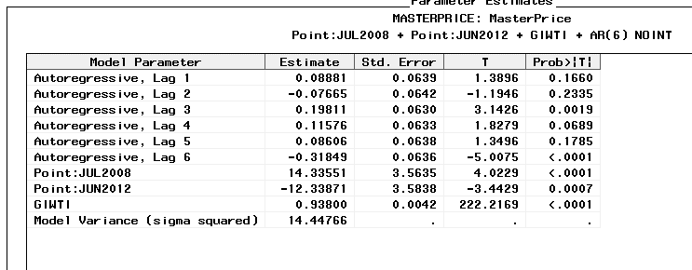

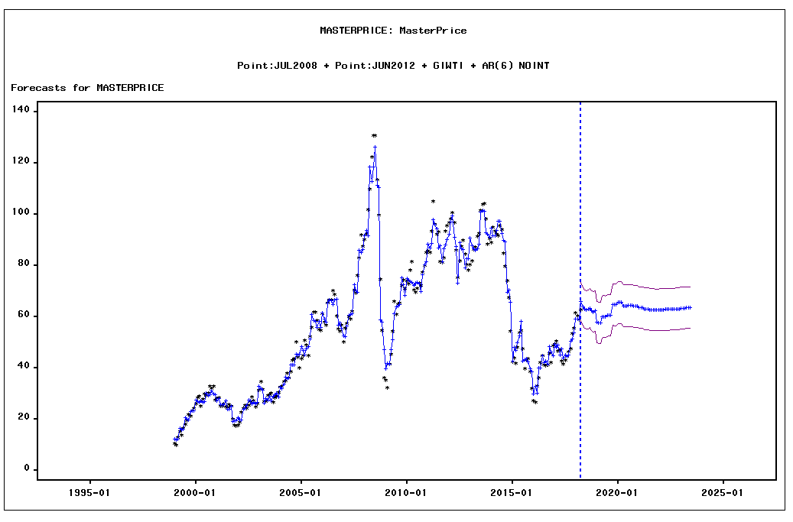

DATE | ACTUAL | PREDICT | UPPER | LOWER | ERROR | STD | NERROR | _INTV1_ | _INTV2_ | GIWTI
1999-01-01
1999-02-01
1999-03-01
1999-04-01
1999-05-01
1999-06-01
1999-07-01
1999-08-01
1999-09-01
1999-10-01
1999-11-01
1999-12-01
2000-01-01
2000-02-01
2000-03-01
2000-04-01
2000-05-01
2000-06-01
2000-07-01
2000-08-01
2000-09-01
2000-10-01
2000-11-01
2000-12-01
2001-01-01
2001-02-01
2001-03-01
2001-04-01
2001-05-01
2001-06-01
2001-07-01
2001-08-01
2001-09-01
2001-10-01
2001-11-01
2001-12-01
2002-01-01
2002-02-01
2002-03-01
2002-04-01
2002-05-01
2002-06-01
2002-07-01
2002-08-01
2002-09-01
2002-10-01
2002-11-01
2002-12-01
2003-01-01
2003-02-01
2003-03-01
2003-04-01
2003-05-01
2003-06-01
2003-07-01
2003-08-01
2003-09-01
2003-10-01
2003-11-01
2003-12-01
2004-01-01
2004-02-01
2004-03-01
2004-04-01
2004-05-01
2004-06-01
2004-07-01
2004-08-01
2004-09-01
2004-10-01
2004-11-01
2004-12-01
2005-01-01
2005-02-01
2005-03-01
2005-04-01
2005-05-01
2005-06-01
2005-07-01
2005-08-01
2005-09-01
2005-10-01
2005-11-01
2005-12-01
2006-01-01
2006-02-01
2006-03-01
2006-04-01
2006-05-01
2006-06-01
2006-07-01
2006-08-01
2006-09-01
2006-10-01
2006-11-01
2006-12-01
2007-01-01
2007-02-01
2007-03-01
2007-04-01
2007-05-01
2007-06-01
2007-07-01
2007-08-01
2007-09-01
2007-10-01
2007-11-01
2007-12-01
2008-01-01
2008-02-01
2008-03-01
2008-04-01
2008-05-01
2008-06-01
2008-07-01
2008-08-01
2008-09-01
2008-10-01
2008-11-01
2008-12-01
2009-01-01
2009-02-01
2009-03-01
2009-04-01
2009-05-01
2009-06-01
2009-07-01
2009-08-01
2009-09-01
2009-10-01
2009-11-01
2009-12-01
2010-01-01
2010-02-01
2010-03-01
2010-04-01
2010-05-01
2010-06-01
2010-07-01
2010-08-01
2010-09-01
2010-10-01
2010-11-01
2010-12-01
2011-01-01
2011-02-01
2011-03-01
2011-04-01
2011-05-01
2011-06-01
2011-07-01
2011-08-01
2011-09-01
2011-10-01
2011-11-01
2011-12-01
2012-01-01
2012-02-01
2012-03-01
2012-04-01
2012-05-01
2012-06-01
2012-07-01
2012-08-01
2012-09-01
2012-10-01
2012-11-01
2012-12-01
2013-01-01
2013-02-01
2013-03-01
2013-04-01
2013-05-01
2013-06-01
2013-07-01
2013-08-01
2013-09-01
2013-10-01
2013-11-01
2013-12-01
2014-01-01
2014-02-01
2014-03-01
2014-04-01
2014-05-01
2014-06-01
2014-07-01
2014-08-01
2014-09-01
2014-10-01
2014-11-01
2014-12-01
2015-01-01
2015-02-01
2015-03-01
2015-04-01
2015-05-01
2015-06-01
2015-07-01
2015-08-01
2015-09-01
2015-10-01
2015-11-01
2015-12-01
2016-01-01
2016-02-01
2016-03-01
2016-04-01
2016-05-01
2016-06-01
2016-07-01
2016-08-01
2016-09-01
2016-10-01
2016-11-01
2016-12-01
2017-01-01
2017-02-01
2017-03-01
2017-04-01
2017-05-01
2017-06-01
2017-07-01
2017-08-01
2017-09-01
2017-10-01
2017-11-01
2017-12-01
2018-01-01
2018-02-01
2018-03-01
2018-04-01
2018-05-01
2018-06-01
2018-07-01
2018-08-01
2018-09-01
2018-10-01
2018-11-01
2018-12-01
2019-01-01
2019-02-01
2019-03-01
2019-04-01
2019-05-01
2019-06-01
2019-07-01
2019-08-01
2019-09-01
2019-10-01
2019-11-01
2019-12-01
2020-01-01
2020-02-01
2020-03-01
2020-04-01
2020-05-01
2020-06-01
2020-07-01
2020-08-01
2020-09-01
2020-10-01
2020-11-01
2020-12-01
2021-01-01
2021-02-01
2021-03-01
2021-04-01
2021-05-01
2021-06-01
2021-07-01
2021-08-01
2021-09-01
2021-10-01
2021-11-01
2021-12-01
2022-01-01
2022-02-01
2022-03-01
2022-04-01
2022-05-01
2022-06-01
2022-07-01
2022-08-01
2022-09-01
2022-10-01
2022-11-01
2022-12-01
2023-01-01
2023-02-01
2023-03-01
2023-04-01
2023-05-01
2023-06-01

Oil Price Model Combined_Dec17
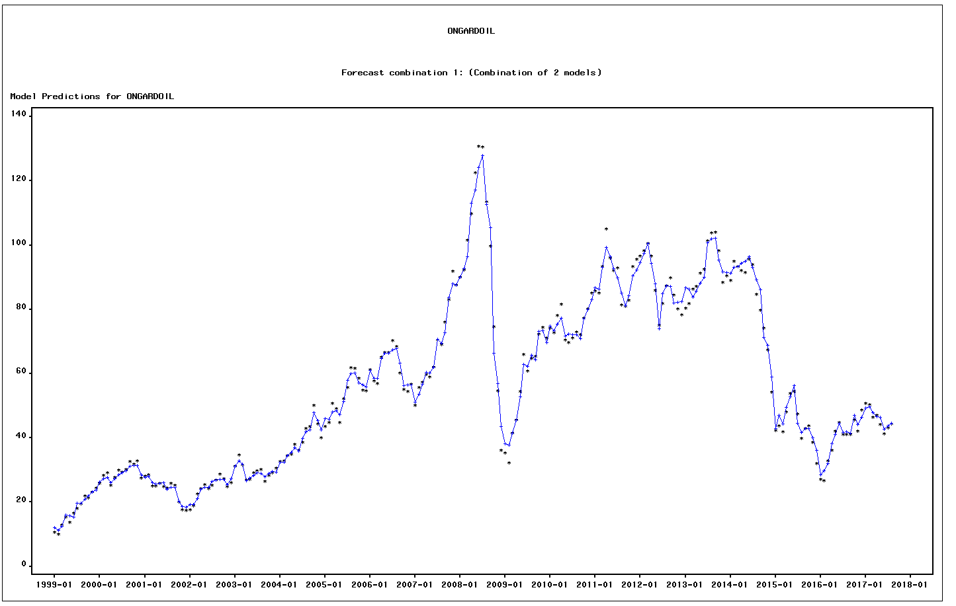

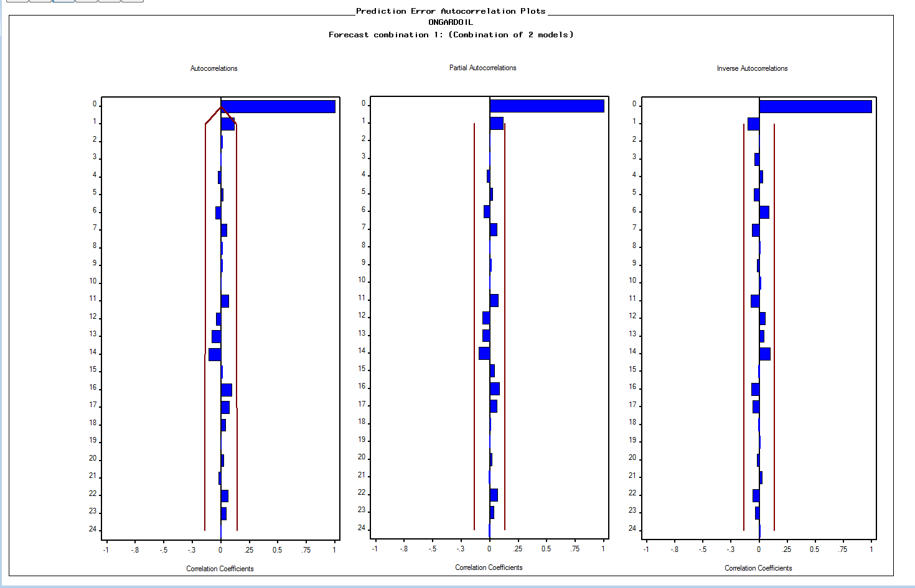

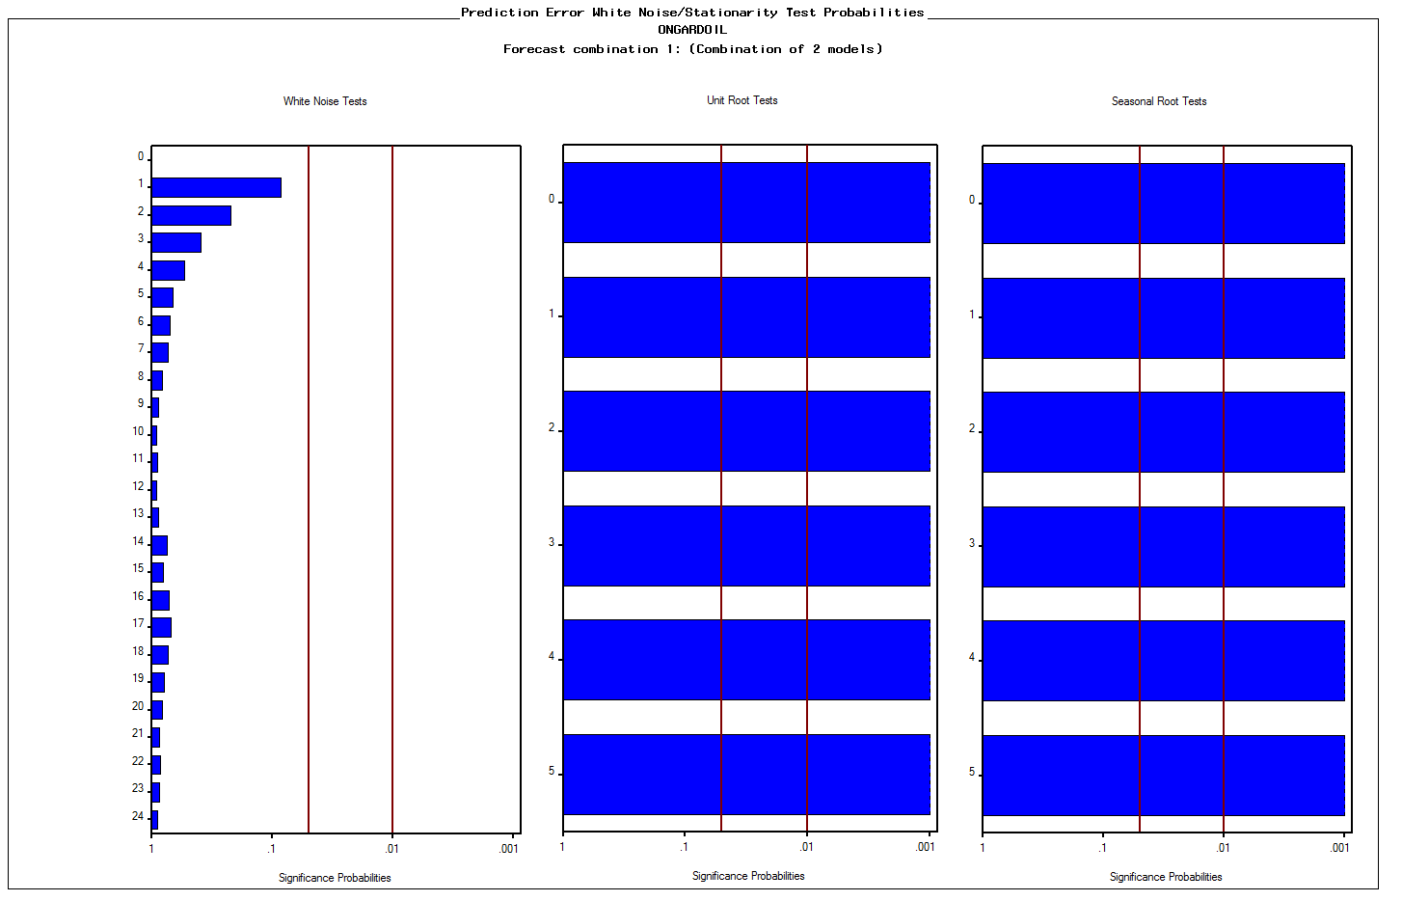

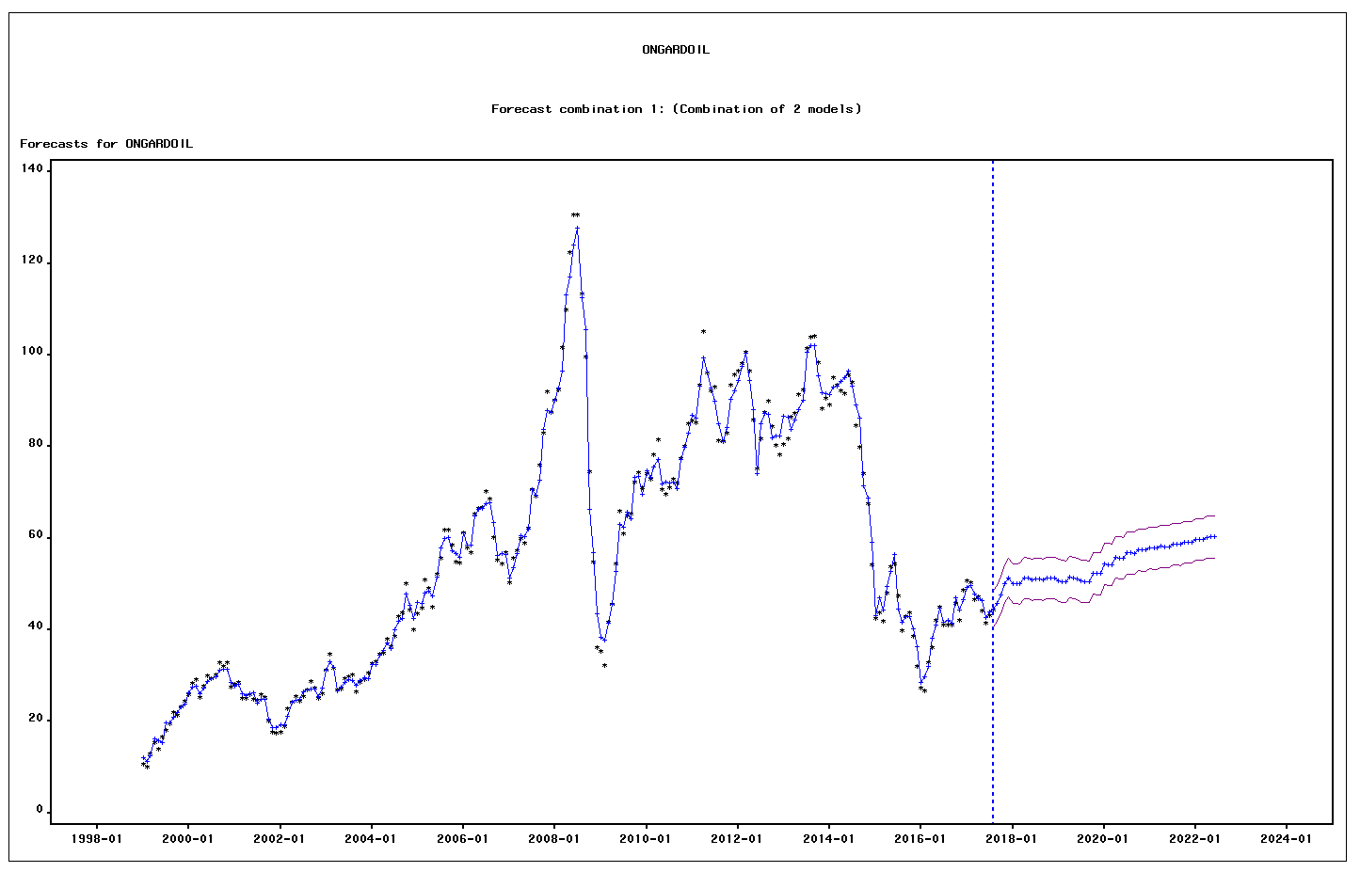

date | ACTUAL | PREDICT | STD | ERROR | UPPER | LOWER
1999-01-01 | 10.554786796 | 11.99257616 | 2.3296155841 | -1.4377893637 | 16.558538802 | 7.4266135169
1999-02-01 | 9.9653716984 | 11.219997335 | 2.1854830386 | -1.2546256364 | 15.503465379 | 6.9365292904
1999-03-01 | 12.864159276 | 12.488835119 | 2.1684723106 | 0.37532415681 | 16.738962749 | 8.2387074886
1999-04-01 | 15.352482387 | 16.06279729 | 2.1411126478 | -0.71031490304 | 20.259300966 | 11.866293613
1999-05-01 | 13.801159282 | 15.84686852 | 2.1145379318 | -2.0457092386 | 19.99128671 | 11.70245033
1999-06-01 | 16.559237867 | 15.302778636 | 2.1101442089 | 1.2564592305 | 19.438585288 | 11.166971984
1999-07-01 | 18.058126987 | 19.659570919 | 2.0092257763 | -1.6014439316 | 23.597581077 | 15.72156076
1999-08-01 | 19.52073649 | 19.744359924 | 2.0092257763 | -0.2236234343 | 23.682370082 | 15.806349766
1999-09-01 | 21.871168983 | 20.874144964 | 2.0092257763 | 0.99702401941 | 24.812155122 | 16.936134805
1999-10-01 | 21.268557736 | 21.920220823 | 2.0092257763 | -0.65166308672 | 25.858230981 | 17.982210664
1999-11-01 | 23.245973152 | 23.22782179 | 2.0092257763 | 0.018151361698 | 27.165831948 | 19.289811632
1999-12-01 | 24.347721565 | 23.862167549 | 2.0092257763 | 0.48555401607 | 27.800177708 | 19.924157391
2000-01-01 | 25.848107207 | 26.315118761 | 2.0092257763 | -0.46701155361 | 30.253128919 | 22.377108602
2000-02-01 | 28.2393995 | 27.374199929 | 2.0092257763 | 0.86519957083 | 31.312210087 | 23.436189771
2000-03-01 | 29.054558906 | 27.652266004 | 2.0092257763 | 1.4022929022 | 31.590276163 | 23.714255846
2000-04-01 | 25.24255571 | 26.026652298 | 2.0092257763 | -0.78409658794 | 29.964662456 | 22.088642139
2000-05-01 | 27.732950227 | 27.337448094 | 2.0092257763 | 0.39550213345 | 31.275458252 | 23.399437936
2000-06-01 | 29.887848063 | 28.589264626 | 2.0092257763 | 1.2985834372 | 32.527274784 | 24.651254468
2000-07-01 | 29.320248215 | 29.215355713 | 2.0092257763 | 0.10489250203 | 33.153365871 | 25.277345554
2000-08-01 | 30.13730205 | 29.792994693 | 2.0092257763 | 0.34430735738 | 33.731004851 | 25.854984535
2000-09-01 | 32.715016289 | 31.122865076 | 2.0092257763 | 1.5921512138 | 35.060875234 | 27.184854917
2000-10-01 | 31.895682762 | 31.37490144 | 2.0092257763 | 0.52078132136 | 35.312911599 | 27.436891282
2000-11-01 | 32.894221248 | 31.448021476 | 2.0092257763 | 1.4461997718 | 35.386031635 | 27.510011318
2000-12-01 | 27.415280815 | 28.477539647 | 2.0092257763 | -1.0622588314 | 32.415549805 | 24.539529488
2001-01-01 | 28.062039243 | 27.624761251 | 2.0092257763 | 0.43727799268 | 31.562771409 | 23.686751092
2001-02-01 | 28.492135018 | 28.154955881 | 2.0092257763 | 0.33717913767 | 32.092966039 | 24.216945722
2001-03-01 | 25.092704975 | 25.962727977 | 2.0092257763 | -0.87002300192 | 29.900738135 | 22.024717819
2001-04-01 | 24.975482347 | 25.582905973 | 2.0092257763 | -0.60742362636 | 29.520916132 | 21.644895815
2001-05-01 | 25.898851332 | 25.92501896 | 2.0092257763 | -0.02616762799 | 29.863029118 | 21.987008802
2001-06-01 | 24.854763259 | 26.127150735 | 2.0092257763 | -1.2723874763 | 30.065160893 | 22.189140577
2001-07-01 | 24.493793441 | 24.029378025 | 2.0092257763 | 0.46441541634 | 27.967388183 | 20.091367866
2001-08-01 | 25.779585897 | 24.686789027 | 2.0092257763 | 1.0927968697 | 28.624799186 | 20.748778869
2001-09-01 | 25.145170609 | 24.704252516 | 2.0092257763 | 0.44091809242 | 28.642262675 | 20.766242358
2001-10-01 | 20.139444461 | 20.39452482 | 2.0092257763 | -0.25508035864 | 24.332534978 | 16.456514661
2001-11-01 | 17.623867934 | 18.616047004 | 2.0092257763 | -0.99217907008 | 22.554057163 | 14.678036846
2001-12-01 | 17.383444822 | 18.525852631 | 2.0092257763 | -1.1424078086 | 22.463862789 | 14.587842473
2002-01-01 | 17.622630827 | 19.279209317 | 2.0092257763 | -1.6565784906 | 23.217219476 | 15.341199159
2002-02-01 | 18.809359436 | 19.256529512 | 2.0092257763 | -0.44717007581 | 23.19453967 | 15.318519353
2002-03-01 | 22.634155698 | 21.134500976 | 2.0092257763 | 1.4996547225 | 25.072511134 | 17.196490817
2002-04-01 | 24.22940896 | 24.099985827 | 2.0092257763 | 0.12942313301 | 28.037995986 | 20.161975669
2002-05-01 | 25.371132372 | 24.561358995 | 2.0092257763 | 0.80977337674 | 28.499369153 | 20.623348837
2002-06-01 | 24.28462912 | 24.711344835 | 2.0092257763 | -0.42671571543 | 28.649354994 | 20.773334677
2002-07-01 | 25.337361671 | 26.482152439 | 2.0092257763 | -1.1447907671 | 30.420162597 | 22.54414228
2002-08-01 | 26.840813227 | 26.911139862 | 2.0092257763 | -0.0703266349 | 30.84915002 | 22.973129703
2002-09-01 | 28.674244496 | 27.057158116 | 2.0092257763 | 1.6170863802 | 30.995168274 | 23.119147958
2002-10-01 | 27.264022736 | 27.130234355 | 2.0092257763 | 0.13378838129 | 31.068244513 | 23.192224196
2002-11-01 | 24.907150469 | 25.352546957 | 2.0092257763 | -0.44539648845 | 29.290557116 | 21.414536799
2002-12-01 | 25.994958675 | 27.282327094 | 2.0092257763 | -1.2873684187 | 31.220337252 | 23.344316935
2003-01-01 | 31.2103444 | 31.193722753 | 2.0092257763 | 0.016621646031 | 35.131732912 | 27.255712595
2003-02-01 | 34.701989154 | 32.932436221 | 2.0092257763 | 1.7695529334 | 36.870446379 | 28.994426063
2003-03-01 | 31.559900436 | 31.767488082 | 2.0092257763 | -0.20758764603 | 35.70549824 | 27.829477923
2003-04-01 | 26.90087056 | 26.579120902 | 2.0092257763 | 0.32174965815 | 30.51713106 | 22.641110743
2003-05-01 | 27.029124697 | 27.467046852 | 2.0092257763 | -0.4379221548 | 31.405057011 | 23.529036694
2003-06-01 | 29.217717112 | 28.393019366 | 2.0092257763 | 0.82469774565 | 32.331029525 | 24.455009208
2003-07-01 | 29.666481479 | 29.108334551 | 2.0092257763 | 0.55814692883 | 33.046344709 | 25.170324392
2003-08-01 | 30.181433866 | 28.848209545 | 2.0092257763 | 1.333224321 | 32.786219704 | 24.910199387
2003-09-01 | 26.491988359 | 27.950479079 | 2.0092257763 | -1.4584907204 | 31.888489237 | 24.012468921
2003-10-01 | 28.421909463 | 28.982503982 | 2.0092257763 | -0.56059451922 | 32.92051414 | 25.044493824
2003-11-01 | 29.054119681 | 29.608305679 | 2.0092257763 | -0.5541859978 | 33.546315838 | 25.670295521
2003-12-01 | 30.492731377 | 29.367785803 | 2.0092257763 | 1.1249455742 | 33.305795962 | 25.429775645
2004-01-01 | 32.573134088 | 32.490197302 | 2.0092257763 | 0.082936786233 | 36.42820746 | 28.552187143
2004-02-01 | 32.938371103 | 32.41023046 | 2.0092257763 | 0.528140643 | 36.348240619 | 28.472220302
2004-03-01 | 34.593563669 | 34.403042435 | 2.0092257763 | 0.19052123416 | 38.341052593 | 30.465032277
2004-04-01 | 34.911831155 | 35.449999999 | 2.0092257763 | -0.53816884417 | 39.388010158 | 31.511989841
2004-05-01 | 37.983859079 | 37.060690305 | 2.0092257763 | 0.9231687745 | 40.998700463 | 33.122680147
2004-06-01 | 36.240243547 | 35.978662467 | 2.0092257763 | 0.26158107978 | 39.916672626 | 32.040652309
2004-07-01 | 38.527055426 | 39.932752439 | 2.0092257763 | -1.4056970135 | 43.870762598 | 35.994742281
2004-08-01 | 42.857230908 | 41.849186381 | 2.0092257763 | 1.0080445267 | 45.78719654 | 37.911176223
2004-09-01 | 43.615750891 | 42.472367618 | 2.0092257763 | 1.1433832724 | 46.410377777 | 38.53435746
2004-10-01 | 50.026471002 | 47.857573574 | 2.0092257763 | 2.168897428 | 51.795583732 | 43.919563415
2004-11-01 | 44.30060798 | 45.321557515 | 2.0092257763 | -1.020949535 | 49.259567673 | 41.383547356
2004-12-01 | 39.957696311 | 42.445945355 | 2.0092257763 | -2.4882490439 | 46.383955514 | 38.507935197
2005-01-01 | 43.528620353 | 45.985572941 | 2.0092257763 | -2.4569525878 | 49.923583099 | 42.047562783
2005-02-01 | 44.778223856 | 45.786682581 | 2.0092257763 | -1.0084587257 | 49.72469274 | 41.848672423
2005-03-01 | 50.786736767 | 48.101201294 | 2.0092257763 | 2.6855354726 | 52.039211452 | 44.163191136
2005-04-01 | 49.091367841 | 48.512237641 | 2.0092257763 | 0.57913019958 | 52.4502478 | 44.574227483
2005-05-01 | 44.823773507 | 47.310280137 | 2.0092257763 | -2.4865066298 | 51.248290296 | 43.372269979
2005-06-01 | 52.174975959 | 51.434414335 | 2.0092257763 | 0.74056162434 | 55.372424493 | 47.496404176
2005-07-01 | 55.683223398 | 57.909772185 | 2.0092257763 | -2.2265487875 | 61.847782344 | 53.971762027
2005-08-01 | 61.754005854 | 59.935373221 | 2.0092257763 | 1.8186326337 | 63.873383379 | 55.997363062
2005-09-01 | 61.689910132 | 60.216733033 | 2.0092257763 | 1.4731770996 | 64.154743191 | 56.278722874
2005-10-01 | 58.558478712 | 57.146655234 | 2.0092257763 | 1.4118234778 | 61.084665392 | 53.208645075
2005-11-01 | 54.792838027 | 56.553597178 | 2.0092257763 | -1.760759151 | 60.491607337 | 52.61558702
2005-12-01 | 54.596645394 | 55.804399656 | 2.0092257763 | -1.2077542616 | 59.742409814 | 51.866389497
2006-01-01 | 61.207597447 | 61.069668068 | 2.0092257763 | 0.13792937856 | 65.007678227 | 57.13165791
2006-02-01 | 57.784937678 | 58.507896289 | 2.0092257763 | -0.72295861112 | 62.445906447 | 54.569886131
2006-03-01 | 56.823281717 | 58.459198779 | 2.0092257763 | -1.6359170617 | 62.397208937 | 54.52118862
2006-04-01 | 65.216115443 | 64.753811147 | 2.0092257763 | 0.46230429609 | 68.691821305 | 60.815800988
2006-05-01 | 66.582024089 | 66.330310712 | 2.0092257763 | 0.25171337699 | 70.26832087 | 62.392300553
2006-06-01 | 66.618781613 | 66.462658382 | 2.0092257763 | 0.15612323181 | 70.40066854 | 62.524648223
2006-07-01 | 70.183493299 | 67.428837651 | 2.0092257763 | 2.754655648 | 71.366847809 | 63.490827492
2006-08-01 | 68.489735561 | 67.78710837 | 2.0092257763 | 0.70262719136 | 71.725118528 | 63.849098211
2006-09-01 | 60.20990762 | 63.384526778 | 2.0092257763 | -3.1746191585 | 67.322536937 | 59.44651662
2006-10-01 | 55.093641229 | 56.300406432 | 2.0092257763 | -1.2067652034 | 60.23841659 | 52.362396274
2006-11-01 | 54.415992271 | 56.535622783 | 2.0092257763 | -2.1196305112 | 60.473632941 | 52.597612624
2006-12-01 | 56.802163597 | 56.426419792 | 2.0092257763 | 0.37574380458 | 60.36442995 | 52.488409634
2007-01-01 | 50.170045723 | 51.209892062 | 2.0092257763 | -1.0398463393 | 55.147902221 | 47.271881904
2007-02-01 | 55.585755635 | 53.646495786 | 2.0092257763 | 1.9392598487 | 57.584505945 | 49.708485628
2007-03-01 | 57.301204817 | 56.708110362 | 2.0092257763 | 0.5930944559 | 60.64612052 | 52.770100203
2007-04-01 | 59.892473137 | 60.47054538 | 2.0092257763 | -0.57807224304 | 64.408555538 | 56.532535221
2007-05-01 | 58.946260096 | 60.273880139 | 2.0092257763 | -1.3276200434 | 64.211890298 | 56.335869981
2007-06-01 | 62.131588183 | 61.990620846 | 2.0092257763 | 0.14096733656 | 65.928631005 | 58.052610688
2007-07-01 | 70.539453027 | 70.651497788 | 2.0092257763 | -0.11204476125 | 74.589507947 | 66.71348763
2007-08-01 | 69.12581332 | 69.368010941 | 2.0092257763 | -0.24219762127 | 73.306021099 | 65.430000783
2007-09-01 | 75.994563848 | 72.721525962 | 2.0092257763 | 3.2730378864 | 76.65953612 | 68.783515803
2007-10-01 | 82.988330192 | 83.746764327 | 2.0092257763 | -0.75843413466 | 87.684774485 | 79.808754168
2007-11-01 | 91.882738861 | 87.962128396 | 2.0092257763 | 3.9206104642 | 91.900138555 | 84.024118238
2007-12-01 | 87.533925152 | 87.514191938 | 2.0092257763 | 0.019733214921 | 91.452202096 | 83.576181779
2008-01-01 | 90.080190885 | 90.061385698 | 2.0092257763 | 0.018805186905 | 93.999395857 | 86.12337554
2008-02-01 | 92.302889756 | 92.768335118 | 2.0092257763 | -0.46544536122 | 96.706345276 | 88.830324959
2008-03-01 | 101.63201721 | 96.415318546 | 2.0092257763 | 5.2166986669 | 100.3533287 | 92.477308388
2008-04-01 | 109.87207976 | 113.0831555 | 2.0092257763 | -3.2110757377 | 117.02116566 | 109.14514534
2008-05-01 | 122.42592834 | 117.12823509 | 2.0092257763 | 5.2976932406 | 121.06624525 | 113.19022494
2008-06-01 | 130.69235603 | 124.0781038 | 2.0092257763 | 6.6142522316 | 128.01611395 | 120.14009364
2008-07-01 | 130.55822018 | 127.77104107 | 2.0092257763 | 2.7871791091 | 131.70905123 | 123.83303092
2008-08-01 | 113.43020508 | 112.54811 | 2.0092257763 | 0.8820950774 | 116.48612016 | 108.61009984
2008-09-01 | 99.641086331 | 105.53450698 | 2.0092257763 | -5.8934206479 | 109.47251714 | 101.59649682
2008-10-01 | 74.517676319 | 66.340067395 | 2.0092257763 | 8.1776089243 | 70.278077553 | 62.402057236
2008-11-01 | 54.688843921 | 56.896003885 | 2.0092257763 | -2.2071599646 | 60.834014044 | 52.957993727
2008-12-01 | 36.089117909 | 43.571862519 | 2.0092257763 | -7.4827446107 | 47.509872678 | 39.633852361
2009-01-01 | 35.269331493 | 38.271766221 | 2.0092257763 | -3.0024347283 | 42.209776379 | 34.333756063
2009-02-01 | 32.273992118 | 37.699591781 | 2.0092257763 | -5.4255996626 | 41.637601939 | 33.761581622
2009-03-01 | 41.543968524 | 41.492587243 | 2.0092257763 | 0.051381280587 | 45.430597401 | 37.554577085
2009-04-01 | 45.510247484 | 45.591110592 | 2.0092257763 | -0.080863108823 | 49.529120751 | 41.653100434
2009-05-01 | 54.375367061 | 52.760849309 | 2.0092257763 | 1.6145177517 | 56.698859467 | 48.822839151
2009-06-01 | 65.893406325 | 62.953072489 | 2.0092257763 | 2.9403338354 | 66.891082648 | 59.015062331
2009-07-01 | 60.853867947 | 62.34047898 | 2.0092257763 | -1.4866110334 | 66.278489139 | 58.402468822
2009-08-01 | 64.747927162 | 65.66259821 | 2.0092257763 | -0.91467104752 | 69.600608368 | 61.724588051
2009-09-01 | 65.246870881 | 64.251141665 | 2.0092257763 | 0.99572921579 | 68.189151824 | 60.313131507
2009-10-01 | 72.28307591 | 73.200488792 | 2.0092257763 | -0.9174128822 | 77.13849895 | 69.262478633
2009-11-01 | 74.387019991 | 73.408610875 | 2.0092257763 | 0.97840911625 | 77.346621034 | 69.470600717
2009-12-01 | 71.025183836 | 69.671741092 | 2.0092257763 | 1.3534427438 | 73.609751251 | 65.733730934
2010-01-01 | 74.108514211 | 74.711424473 | 2.0092257763 | -0.60291026208 | 78.649434632 | 70.773414315
2010-02-01 | 72.824924498 | 73.350671297 | 2.0092257763 | -0.52574679935 | 77.288681456 | 69.412661139
2010-03-01 | 78.162782552 | 75.457006737 | 2.0092257763 | 2.7057758155 | 79.395016895 | 71.518996578
2010-04-01 | 81.492867282 | 77.251927097 | 2.0092257763 | 4.2409401843 | 81.189937256 | 73.313916939
2010-05-01 | 70.525696587 | 71.802874969 | 2.0092257763 | -1.2771783816 | 75.740885127 | 67.86486481
2010-06-01 | 69.618563633 | 72.348748831 | 2.0092257763 | -2.7301851974 | 76.286758989 | 68.410738672
2010-07-01 | 71.048314142 | 72.088067679 | 2.0092257763 | -1.0397535372 | 76.026077837 | 68.15005752
2010-08-01 | 72.965291387 | 72.157606028 | 2.0092257763 | 0.80768535877 | 76.095616186 | 68.219595869
2010-09-01 | 72.09678321 | 70.851208875 | 2.0092257763 | 1.2455743352 | 74.789219033 | 66.913198716
2010-10-01 | 77.348524143 | 77.167106766 | 2.0092257763 | 0.18141737654 | 81.105116924 | 73.229096608
2010-11-01 | 80.104124214 | 79.942991728 | 2.0092257763 | 0.16113248645 | 83.881001886 | 76.004981569
2010-12-01 | 85.0680263 | 83.028116616 | 2.0092257763 | 2.039909684 | 86.966126775 | 79.090106458
2011-01-01 | 85.6952586 | 86.829410157 | 2.0092257763 | -1.1341515575 | 90.767420315 | 82.891399999
2011-02-01 | 85.13963838 | 86.236696438 | 2.0092257763 | -1.097058058 | 90.174706596 | 82.29868628
2011-03-01 | 93.316991476 | 93.145441297 | 2.0092257763 | 0.17155017881 | 97.083451455 | 89.207431138
2011-04-01 | 105.09498288 | 99.281914071 | 2.0092257763 | 5.8130688109 | 103.21992423 | 95.343903912
2011-05-01 | 95.976621686 | 96.353374938 | 2.0092257763 | -0.3767532527 | 100.2913851 | 92.41536478
2011-06-01 | 92.128413248 | 92.703624424 | 2.0092257763 | -0.57521117571 | 96.641634582 | 88.765614265
2011-07-01 | 92.971688102 | 89.820145666 | 2.0092257763 | 3.1515424368 | 93.758155824 | 85.882135507
2011-08-01 | 81.374067835 | 85.039708876 | 2.0092257763 | -3.6656410413 | 88.977719035 | 81.101698718
2011-09-01 | 81.055805751 | 81.112605331 | 2.0092257763 | -0.056799579974 | 85.05061549 | 77.174595173
2011-10-01 | 82.833077274 | 84.20174736 | 2.0092257763 | -1.3686700856 | 88.139757518 | 80.263737202
2011-11-01 | 93.331551523 | 90.423436725 | 2.0092257763 | 2.9081147983 | 94.361446883 | 86.485426566
2011-12-01 | 95.570863103 | 92.274429746 | 2.0092257763 | 3.2964333574 | 96.212439904 | 88.336419588
2012-01-01 | 96.577437003 | 94.481902241 | 2.0092257763 | 2.0955347626 | 98.419912399 | 90.543892082
2012-02-01 | 98.212243175 | 97.50119925 | 2.0092257763 | 0.71104392582 | 101.43920941 | 93.563189091
2012-03-01 | 100.60522185 | 100.4370407 | 2.0092257763 | 0.16818115344 | 104.37505085 | 96.499030538
2012-04-01 | 96.546634512 | 94.396119684 | 2.0092257763 | 2.1505148273 | 98.334129843 | 90.458109526
2012-05-01 | 85.882741303 | 88.069301043 | 2.0092257763 | -2.1865597391 | 92.007311201 | 84.131290884
2012-06-01 | 75.062145939 | 74.067868684 | 2.0092257763 | 0.99427725494 | 78.005878843 | 70.129858526
2012-07-01 | 81.777504431 | 84.954467522 | 2.0092257763 | -3.1769630914 | 88.89247768 | 81.016457364
2012-08-01 | 87.360201184 | 87.264506157 | 2.0092257763 | 0.095695026806 | 91.202516315 | 83.326495998
2012-09-01 | 89.886668249 | 87.129061017 | 2.0092257763 | 2.7576072317 | 91.067071176 | 83.191050859
2012-10-01 | 84.466309173 | 82.001907846 | 2.0092257763 | 2.464401327 | 85.939918004 | 78.063897688
2012-11-01 | 80.174547 | 82.279439827 | 2.0092257763 | -2.104892827 | 86.217449985 | 78.341429668
2012-12-01 | 78.257839604 | 82.357624849 | 2.0092257763 | -4.0997852446 | 86.295635007 | 78.41961469
2013-01-01 | 80.368421942 | 86.723352285 | 2.0092257763 | -6.354930343 | 90.661362444 | 82.785342127
2013-02-01 | 81.773076568 | 86.32904412 | 2.0092257763 | -4.5559675526 | 90.267054279 | 82.391033962
2013-03-01 | 86.356911512 | 83.80845133 | 2.0092257763 | 2.5484601812 | 87.746461489 | 79.870441172
2013-04-01 | 87.240114984 | 85.771410173 | 2.0092257763 | 1.468704811 | 89.709420331 | 81.833400014
2013-05-01 | 91.269647695 | 88.138777403 | 2.0092257763 | 3.1308702914 | 92.076787562 | 84.200767245
2013-06-01 | 92.460385755 | 90.024994333 | 2.0092257763 | 2.4353914217 | 93.963004492 | 86.086984175
2013-07-01 | 101.32072526 | 100.68229338 | 2.0092257763 | 0.63843187852 | 104.62030354 | 96.744283226
2013-08-01 | 103.86097885 | 102.04992358 | 2.0092257763 | 1.8110552692 | 105.98793374 | 98.11191342
2013-09-01 | 104.09006465 | 102.09627274 | 2.0092257763 | 1.9937919031 | 106.0342829 | 98.158262586
2013-10-01 | 98.272811858 | 95.428648533 | 2.0092257763 | 2.844163325 | 99.366658691 | 91.490638374
2013-11-01 | 88.366863933 | 91.763045256 | 2.0092257763 | -3.396181323 | 95.701055414 | 87.825035097
2013-12-01 | 90.45053995 | 91.528670776 | 2.0092257763 | -1.0781308263 | 95.466680934 | 87.590660617
2014-01-01 | 89.038448116 | 91.251214256 | 2.0092257763 | -2.2127661398 | 95.189224415 | 87.313204098
2014-02-01 | 94.960897599 | 93.089700922 | 2.0092257763 | 1.8711966769 | 97.02771108 | 89.151690763
2014-03-01 | 93.394130472 | 93.253370808 | 2.0092257763 | 0.1407596632 | 97.191380967 | 89.31536065
2014-04-01 | 92.111047881 | 94.320022542 | 2.0092257763 | -2.2089746615 | 98.258032701 | 90.382012384
2014-05-01 | 91.497367444 | 95.043208079 | 2.0092257763 | -3.5458406345 | 98.981218237 | 91.10519792
2014-06-01 | 95.61133814 | 96.39642889 | 2.0092257763 | -0.78509075047 | 100.33443905 | 92.458418732
2014-07-01 | 93.972721289 | 93.108767702 | 2.0092257763 | 0.8639535869 | 97.04677786 | 89.170757544
2014-08-01 | 84.644126239 | 89.109834238 | 2.0092257763 | -4.4657079992 | 93.047844397 | 85.17182408
2014-09-01 | 79.79344479 | 86.14948916 | 2.0092257763 | -6.3560443703 | 90.087499319 | 82.211479002
2014-10-01 | 74.116290034 | 71.33049393 | 2.0092257763 | 2.785796104 | 75.268504088 | 67.392483771
2014-11-01 | 67.475579628 | 68.829379863 | 2.0092257763 | -1.3538002351 | 72.767390022 | 64.891369705
2014-12-01 | 54.171336343 | 59.072270749 | 2.0092257763 | -4.9009344061 | 63.010280907 | 55.13426059
2015-01-01 | 42.367454952 | 42.974036236 | 2.0092257763 | -0.60658128448 | 46.912046395 | 39.036026078
2015-02-01 | 43.790007945 | 47.013295235 | 2.0092257763 | -3.22328729 | 50.951305393 | 43.075285077
2015-03-01 | 41.904423503 | 44.357087003 | 2.0092257763 | -2.4526635002 | 48.295097162 | 40.419076845
2015-04-01 | 48.065784802 | 49.418666356 | 2.0092257763 | -1.352881554 | 53.356676514 | 45.480656197
2015-05-01 | 53.728364042 | 52.7942578 | 2.0092257763 | 0.93410624187 | 56.732267959 | 48.856247642
2015-06-01 | 54.431845814 | 56.351263066 | 2.0092257763 | -1.919417252 | 60.289273225 | 52.413252908
2015-07-01 | 47.403138061 | 44.600739431 | 2.0092257763 | 2.8023986298 | 48.53874959 | 40.662729273
2015-08-01 | 39.784533252 | 41.611928522 | 2.0092257763 | -1.8273952699 | 45.54993868 | 37.673918363
2015-09-01 | 42.859096551 | 42.913315988 | 2.0092257763 | -0.054219436884 | 46.851326147 | 38.97530583
2015-10-01 | 43.721384183 | 42.966396492 | 2.0092257763 | 0.75498769143 | 46.90440665 | 39.028386334
2015-11-01 | 38.646165568 | 40.115818607 | 2.0092257763 | -1.4696530386 | 44.053828765 | 36.177808448
2015-12-01 | 31.976827066 | 36.194722519 | 2.0092257763 | -4.2178954531 | 40.132732677 | 32.25671236
2016-01-01 | 27.179285909 | 28.577974127 | 2.0092257763 | -1.3986882184 | 32.515984286 | 24.639963969
2016-02-01 | 26.579370891 | 29.751459265 | 2.0092257763 | -3.1720883742 | 33.689469423 | 25.813449107
2016-03-01 | 32.881045043 | 32.006906048 | 2.0092257763 | 0.87413899511 | 35.944916206 | 28.068895889
2016-04-01 | 36.086912558 | 38.223030117 | 2.0092257763 | -2.1361175584 | 42.161040275 | 34.285019958
2016-05-01 | 42.065073895 | 41.015198287 | 2.0092257763 | 1.0498756082 | 44.953208445 | 37.077188128
2016-06-01 | 44.876827346 | 44.650317103 | 2.0092257763 | 0.22651024282 | 48.588327261 | 40.712306944
2016-07-01 | 41.084260983 | 41.708172111 | 2.0092257763 | -0.62391112742 | 45.646182269 | 37.770161952
2016-08-01 | 40.981666016 | 41.958286117 | 2.0092257763 | -0.97662010173 | 45.896296276 | 38.020275959
2016-09-01 | 41.099760729 | 41.512685045 | 2.0092257763 | -0.41292431556 | 45.450695203 | 37.574674886
2016-10-01 | 45.658745591 | 47.06256507 | 2.0092257763 | -1.4038194792 | 51.000575229 | 43.124554912
2016-11-01 | 42.110408646 | 44.231962638 | 2.0092257763 | -2.1215539918 | 48.169972796 | 40.29395248
2016-12-01 | 48.615285513 | 46.52297158 | 2.0092257763 | 2.0923139335 | 50.460981738 | 42.584961421
2017-01-01 | 50.740608594 | 49.208702651 | 2.0092257763 | 1.5319059424 | 53.14671281 | 45.270692493
2017-02-01 | 50.336533395 | 49.704901601 | 2.0092257763 | 0.63163179379 | 53.642911759 | 45.766891443
2017-03-01 | 46.514783298 | 47.888893821 | 2.0092257763 | -1.3741105229 | 51.82690398 | 43.950883663
2017-04-01 | 47.131790775 | 46.718775957 | 2.0092257763 | 0.41301481829 | 50.656786115 | 42.780765798
2017-05-01 | 44.075393025 | 46.330163394 | 2.0092257763 | -2.2547703686 | 50.268173552 | 42.392153235
2017-06-01 | 41.379947885 | 42.739331822 | 2.0092257763 | -1.3593839371 | 46.67734198 | 38.801321664
2017-07-01 | 43.061444845 | 43.812019271 | 2.0092257763 | -0.75057442557 | 47.750029429 | 39.874009112
2017-08-01 | 44.3851 | 44.582461873 | 2.0092257763 | -0.19736187336 | 48.520472031 | 40.644451714
2017-09-01 |  | 45.771524717 | 2.0092257763 |  | 49.709534875 | 41.833514558
2017-10-01 |  | 47.550943069 | 2.0715205069 |  | 51.611048655 | 43.490837482
2017-11-01 |  | 50.054191697 | 2.110427152 |  | 54.190552906 | 45.917830487
2017-12-01 |  | 51.322886826 | 2.1635269171 |  | 55.563321663 | 47.082451989
2018-01-01 |  | 50.131593896 | 2.1981987477 |  | 54.439984272 | 45.82320352
2018-02-01 |  | 49.99953471 | 2.2126705668 |  | 54.336289331 | 45.66278009
2018-03-01 |  | 50.094129972 | 2.2844748599 |  | 54.571618421 | 45.616641523
2018-04-01 |  | 51.355656513 | 2.288012662 |  | 55.840078926 | 46.871234099
2018-05-01 |  | 51.201994163 | 2.2977311487 |  | 55.705464461 | 46.698523866
2018-06-01 |  | 50.803003897 | 2.3049870882 |  | 55.320695575 | 46.28531222
2018-07-01 |  | 51.064234212 | 2.3129366349 |  | 55.597506715 | 46.530961709
2018-08-01 |  | 51.073506813 | 2.3144980155 |  | 55.609839565 | 46.53717406
2018-09-01 |  | 50.87951026 | 2.3209624547 |  | 55.428513081 | 46.330507439
2018-10-01 |  | 51.35189983 | 2.3212241967 |  | 55.901415656 | 46.802384005
2018-11-01 |  | 51.262773722 | 2.3246371972 |  | 55.818978906 | 46.706568539
2018-12-01 |  | 51.268297507 | 2.3253277638 |  | 55.825856176 | 46.710738838
2019-01-01 |  | 50.748293464 | 2.3268791104 |  | 55.308892717 | 46.187694211
2019-02-01 |  | 50.53409519 | 2.3269563653 |  | 55.09484586 | 45.97334452
2019-03-01 |  | 50.441444772 | 2.3278501354 |  | 55.003947199 | 45.878942345
2019-04-01 |  | 51.441399444 | 2.3278841321 |  | 56.003968503 | 46.878830385
2019-05-01 |  | 51.303459392 | 2.3287248884 |  | 55.867676303 | 46.739242481
2019-06-01 |  | 51.143628034 | 2.3287860645 |  | 55.707964848 | 46.57929122
2019-07-01 |  | 50.593312236 | 2.3290883322 |  | 55.158241484 | 46.028382988
2019-08-01 |  | 50.54021172 | 2.3290917842 |  | 55.105147733 | 45.975275706
2019-09-01 |  | 50.446053974 | 2.3292639472 |  | 55.011327421 | 45.880780527
2019-10-01 |  | 52.284267923 | 2.3292693596 |  | 56.849551978 | 47.718983868
2019-11-01 |  | 52.248455459 | 2.3294363138 |  | 56.814066738 | 47.682844179
2019-12-01 |  | 52.230273214 | 2.3294434943 |  | 56.795898567 | 47.664647861
2020-01-01 |  | 54.319358963 | 2.3295066435 |  | 58.885108086 | 49.75360984
2020-02-01 |  | 54.250401665 | 2.3295090337 |  | 58.816155473 | 49.684647857
2020-03-01 |  | 54.203087048 | 2.3295460935 |  | 58.768913492 | 49.637260605
2020-04-01 |  | 55.786768615 | 2.3295471914 |  | 60.352597211 | 51.22094002
2020-05-01 |  | 55.700743708 | 2.3295778272 |  | 60.266632348 | 51.134855067
2020-06-01 |  | 55.643241847 | 2.3295791149 |  | 60.209133011 | 51.077350682
2020-07-01 |  | 56.774198195 | 2.3295928165 |  | 61.340116214 | 52.208280176
2020-08-01 |  | 56.772685978 | 2.3295937101 |  | 61.338605748 | 52.206766207
2020-09-01 |  | 56.730638787 | 2.3296016663 |  | 61.296574151 | 52.164703423
2020-10-01 |  | 57.423688906 | 2.329601962 |  | 61.98962485 | 52.857752962
2020-11-01 |  | 57.389022742 | 2.329607594 |  | 61.954969725 | 52.82307576
2020-12-01 |  | 57.374722851 | 2.3296078922 |  | 61.940670418 | 52.808775284
2021-01-01 |  | 57.822240263 | 2.3296108425 |  | 62.388193613 | 53.256286914
2021-02-01 |  | 57.804577979 | 2.329611079 |  | 62.370531792 | 53.238624166
2021-03-01 |  | 57.792488619 | 2.3296127466 |  | 62.358445701 | 53.226531538
2021-04-01 |  | 58.198319006 | 2.3296128358 |  | 62.764276262 | 53.63236175
2021-05-01 |  | 58.1637856 | 2.3296139055 |  | 62.729744953 | 53.597826247
2021-06-01 |  | 58.147633354 | 2.3296139798 |  | 62.713592853 | 53.581673856
2021-07-01 |  | 58.650615465 | 2.329614598 |  | 63.216576175 | 54.084654756
2021-08-01 |  | 58.642740916 | 2.3296146543 |  | 63.208701736 | 54.076780095
2021-09-01 |  | 58.613469795 | 2.3296149982 |  | 63.179431289 | 54.047508301
2021-10-01 |  | 59.146966831 | 2.3296150244 |  | 63.712928377 | 54.581005286
2021-11-01 |  | 59.138272114 | 2.329615234 |  | 63.70423407 | 54.572310158
2021-12-01 |  | 59.134441498 | 2.3296152525 |  | 63.700403491 | 54.568479506
2022-01-01 |  | 59.668512635 | 2.3296153788 |  | 64.234474875 | 55.102550395
2022-02-01 |  | 59.667827248 | 2.329615392 |  | 64.233789514 | 55.101864982
2022-03-01 |  | 59.677720288 | 2.3296154623 |  | 64.243682692 | 55.111757884
2022-04-01 |  | 60.227131221 | 2.3296154695 |  | 64.793093639 | 55.661168803
2022-05-01 |  | 60.231495146 | 2.3296155113 |  | 64.797457646 | 55.665532646
2022-06-01 |  | 60.235821213 | 2.3296155159 |  | 64.801783722 | 55.669858704

Oil Price Model Combied_Aug18
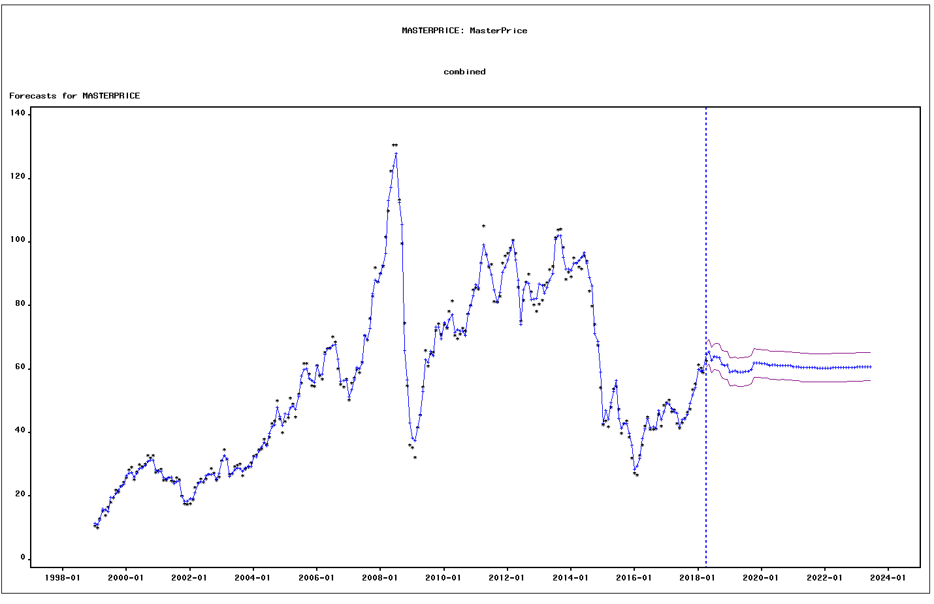

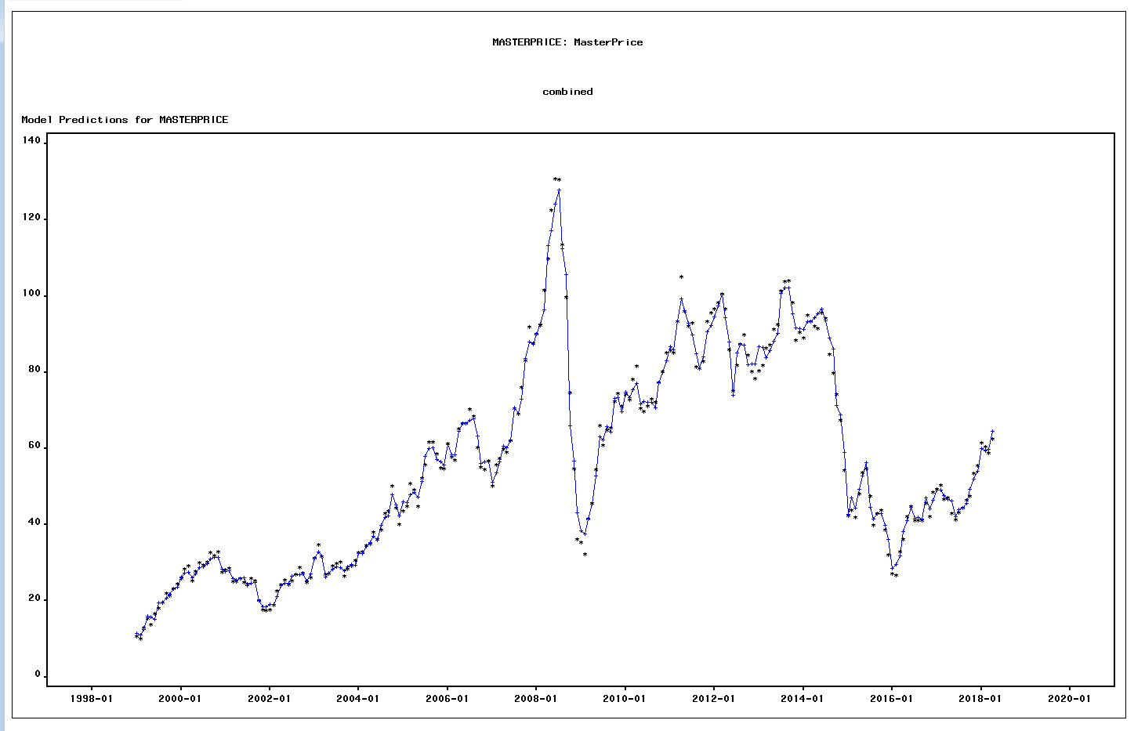

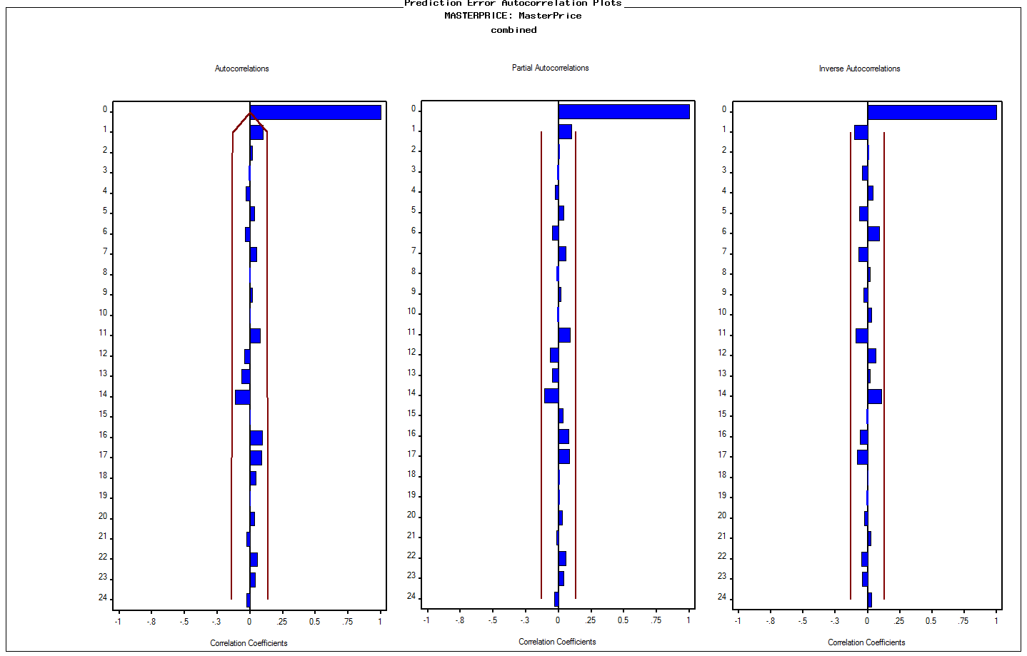

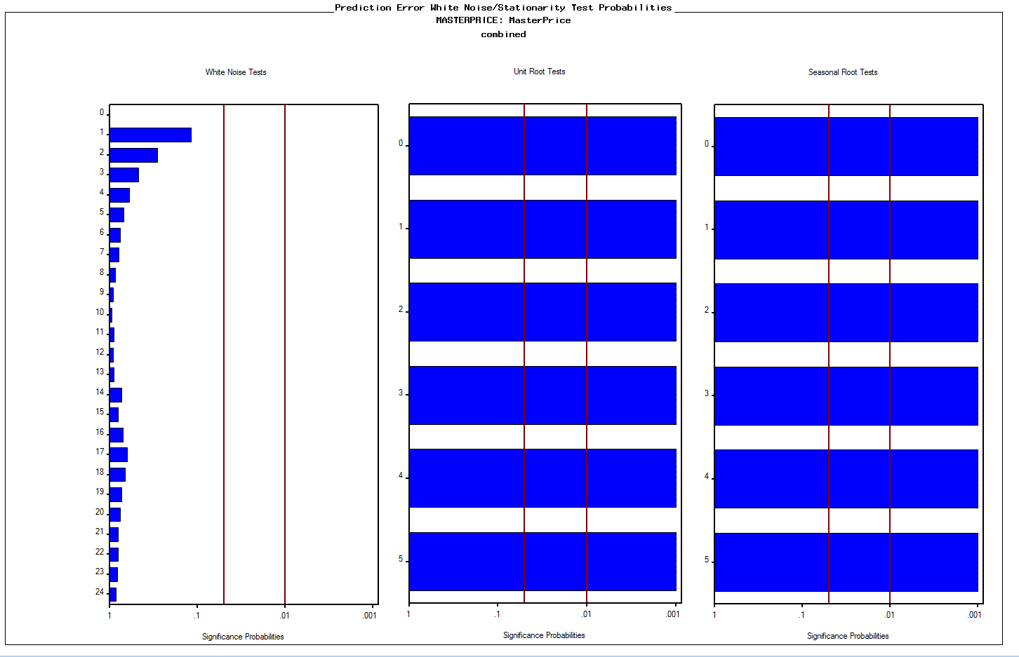

date | ACTUAL | PREDICT | STD | ERROR | UPPER | LOWER | NERROR | Predict | EIA | GI
1999-01-01 | 10.554786796 | 11.395637777 | 2.2859209196 | -0.84085098121 | 15.875960451 | 6.9153151031 | -0.36783905078 | 11.395637777 | $12.52 | $13.01
1999-02-01 | 9.9653716984 | 11.080377049 | 2.1600732564 | -1.1150053509 | 15.314042836 | 6.8467112629 | -0.51618867444 | 11.080377049 | $12.01 | $13.01
1999-03-01 | 12.864159276 | 12.388921167 | 2.1440834303 | 0.47523810869 | 16.59124747 | 8.1865948637 | 0.22165094043 | 12.388921167 | $14.68 | $13.01
1999-04-01 | 15.352482387 | 15.970830658 | 2.118696936 | -0.61834827178 | 20.123400347 | 11.81826097 | -0.29185310144 | 15.970830658 | $17.31 | $17.56
1999-05-01 | 13.801159282 | 15.715034404 | 2.0931781262 | -1.9138751221 | 19.817588144 | 11.612480663 | -0.91433934752 | 15.715034404 | $17.72 | $17.56
1999-06-01 | 16.559237867 | 15.232467909 | 2.0891885118 | 1.3267699576 | 19.327202149 | 11.137733669 | 0.63506473931 | 15.232467909 | $17.92 | $17.56
1999-07-01 | 18.058126987 | 19.562333921 | 1.9892105818 | -1.5042069336 | 23.461115018 | 15.663552823 | -0.75618285334 | 19.562333921 | $20.10 | $21.58
1999-08-01 | 19.52073649 | 19.650408519 | 1.9892105818 | -0.12967202916 | 23.549189617 | 15.751627421 | -0.065187683169 | 19.650408519 | $21.28 | $21.58
1999-09-01 | 21.871168983 | 20.786974897 | 1.9892105818 | 1.084194086 | 24.685755995 | 16.888193799 | 0.54503736105 | 20.786974897 | $23.80 | $21.58
1999-10-01 | 21.268557736 | 21.816641724 | 1.9892105818 | -0.54808398766 | 25.715422822 | 17.917860626 | -0.27552838934 | 21.816641724 | $22.69 | $24.54
1999-11-01 | 23.245973152 | 23.245129142 | 1.9892105818 | 0.00084400992077 | 27.14391024 | 19.346348044 | 0.00042429390257 | 23.245129142 | $25.00 | $24.54
1999-12-01 | 24.3476942 | 23.676655041 | 1.9892105818 | 0.67103915915 | 27.575436139 | 19.777873943 | 0.33733942766 | 23.676655041 | $26.10 | $24.54
2000-01-01 | 25.848107207 | 26.334515496 | 1.9892105818 | -0.48640828893 | 30.233296594 | 22.435734398 | -0.24452327642 | 26.334515496 | $27.26 | $28.56
2000-02-01 | 28.2393995 | 27.223748596 | 1.9892105818 | 1.0156509042 | 31.122529694 | 23.324967498 | 0.51057988204 | 27.223748596 | $29.37 | $28.56
2000-03-01 | 29.054558906 | 27.492554881 | 1.9892105818 | 1.562004025 | 31.391335979 | 23.593773783 | 0.78523814389 | 27.492554881 | $29.84 | $28.56
2000-04-01 | 25.24255571 | 25.989165582 | 1.9892105818 | -0.74660987213 | 29.88794668 | 22.090384484 | -0.37532973079 | 25.989165582 | $25.72 | $28.41
2000-05-01 | 27.732950227 | 27.162787245 | 1.9892105818 | 0.57016298205 | 31.061568343 | 23.264006148 | 0.28662776444 | 27.162787245 | $28.79 | $28.41
2000-06-01 | 29.887848063 | 28.640054515 | 1.9892105818 | 1.2477935478 | 32.538835613 | 24.741273418 | 0.6272807712 | 28.640054515 | $31.82 | $28.41
2000-07-01 | 29.320248215 | 28.981289768 | 1.9892105818 | 0.33895844648 | 32.880070866 | 25.08250867 | 0.17039847344 | 28.981289768 | $29.70 | $31.63
2000-08-01 | 30.13730205 | 29.755292682 | 1.9892105818 | 0.38200936816 | 33.65407378 | 25.856511584 | 0.19204068773 | 29.755292682 | $31.26 | $31.63
2000-09-01 | 32.715016289 | 30.989073844 | 1.9892105818 | 1.7259424456 | 34.887854942 | 27.090292746 | 0.86765195269 | 30.989073844 | $33.88 | $31.63
2000-10-01 | 31.895682762 | 31.339414119 | 1.9892105818 | 0.55626864236 | 35.238195217 | 27.440633021 | 0.27964291336 | 31.339414119 | $33.11 | $31.96
2000-11-01 | 32.894221248 | 31.359102347 | 1.9892105818 | 1.5351189011 | 35.257883445 | 27.460321249 | 0.7717226699 | 31.359102347 | $34.42 | $31.96
2000-12-01 | 27.415280815 | 28.278443855 | 1.9892105818 | -0.86316303947 | 32.177224953 | 24.379662757 | -0.43392240489 | 28.278443855 | $28.44 | $31.96
2001-01-01 | 28.062039243 | 27.659817807 | 1.9892105818 | 0.40222143678 | 31.558598904 | 23.761036709 | 0.20220153687 | 27.659817807 | $29.59 | $28.47
2001-02-01 | 28.492135018 | 27.891073689 | 1.9892105818 | 0.60106132947 | 31.789854787 | 23.992292591 | 0.302160734 | 27.891073689 | $29.61 | $28.47
2001-03-01 | 25.092704975 | 25.839378708 | 1.9892105818 | -0.74667373293 | 29.738159806 | 21.94059761 | -0.37536183438 | 25.839378708 | $27.25 | $28.47
2001-04-01 | 24.975482347 | 25.428000488 | 1.9892105818 | -0.45251814111 | 29.326781586 | 21.52921939 | -0.22748629294 | 25.428000488 | $27.49 | $28.01
2001-05-01 | 25.898851332 | 25.856654435 | 1.9892105818 | 0.042196897353 | 29.755435533 | 21.957873337 | 0.021212886026 | 25.856654435 | $28.63 | $28.01
2001-06-01 | 24.854763259 | 26.053535205 | 1.9892105818 | -1.1987719465 | 29.952316303 | 22.154754107 | -0.60263702469 | 26.053535205 | $27.60 | $28.01
2001-07-01 | 24.493793441 | 23.90226324 | 1.9892105818 | 0.59153020082 | 27.801044338 | 20.003482142 | 0.2973693214 | 23.90226324 | $26.43 | $26.49
2001-08-01 | 25.779585897 | 24.639351511 | 1.9892105818 | 1.1402343862 | 28.538132609 | 20.740570413 | 0.57320949157 | 24.639351511 | $27.37 | $26.49
2001-09-01 | 25.145170609 | 24.7419075 | 1.9892105818 | 0.40326310895 | 28.640688598 | 20.843126402 | 0.20272519795 | 24.7419075 | $26.20 | $26.49
2001-10-01 | 20.139444461 | 20.090932913 | 1.9892105818 | 0.048511547773 | 23.989714011 | 16.192151815 | 0.024387336473 | 20.090932913 | $22.17 | $20.38
2001-11-01 | 17.623867934 | 18.484278537 | 1.9892105818 | -0.86041060223 | 22.383059634 | 14.585497439 | -0.4325387217 | 18.484278537 | $19.64 | $20.38
2001-12-01 | 17.383444822 | 18.419056468 | 1.9892105818 | -1.0356116458 | 22.317837566 | 14.52027537 | -0.5206143861 | 18.419056468 | $19.39 | $20.38
2002-01-01 | 17.622630827 | 19.162264871 | 1.9892105818 | -1.539634044 | 23.061045968 | 15.263483773 | -0.77399248634 | 19.162264871 | $19.72 | $21.62
2002-02-01 | 18.809359436 | 19.147047441 | 1.9892105818 | -0.33768800558 | 23.045828539 | 15.248266343 | -0.16975980757 | 19.147047441 | $20.72 | $21.62
2002-03-01 | 22.634155698 | 21.111531522 | 1.9892105818 | 1.5226241757 | 25.01031262 | 17.212750424 | 0.76544142169 | 21.111531522 | $24.53 | $21.62
2002-04-01 | 24.22940896 | 23.944375239 | 1.9892105818 | 0.28503372154 | 27.843156337 | 20.045594141 | 0.14328986793 | 23.944375239 | $26.18 | $26.27
2002-05-01 | 25.371132372 | 24.548007636 | 1.9892105818 | 0.82312473623 | 28.446788734 | 20.649226538 | 0.41379467 | 24.548007636 | $27.04 | $26.27
2002-06-01 | 24.28462912 | 24.541908404 | 1.9892105818 | -0.25727928438 | 28.440689502 | 20.643127306 | -0.12933737973 | 24.541908404 | $25.52 | $26.27
2002-07-01 | 25.337361671 | 26.407898518 | 1.9892105818 | -1.0705368468 | 30.306679616 | 22.50911742 | -0.53817170318 | 26.407898518 | $26.97 | $28.34
2002-08-01 | 26.840813227 | 26.888720765 | 1.9892105818 | -0.047907538198 | 30.787501863 | 22.989939667 | -0.024083693621 | 26.888720765 | $28.39 | $28.34
2002-09-01 | 28.674244496 | 26.88892217 | 1.9892105818 | 1.7853223265 | 30.787703268 | 22.990141072 | 0.89750293051 | 26.88892217 | $29.66 | $28.34
2002-10-01 | 27.264022736 | 27.005482588 | 1.9892105818 | 0.25854014781 | 30.904263686 | 23.10670149 | 0.12997123089 | 27.005482588 | $28.84 | $28.16
2002-11-01 | 24.907150469 | 25.315211359 | 1.9892105818 | -0.40806089003 | 29.213992457 | 21.416430261 | -0.2051371 | 25.315211359 | $26.35 | $28.16
2002-12-01 | 25.994958675 | 27.166982463 | 1.9892105818 | -1.1720237885 | 31.065763561 | 23.268201366 | -0.58919040512 | 27.166982463 | $29.46 | $28.16
2003-01-01 | 31.2103444 | 31.224403107 | 1.9892105818 | -0.014058707399 | 35.123184205 | 27.325622009 | -0.0070674807022 | 31.224403107 | $32.95 | $34.12
2003-02-01 | 34.701989154 | 32.81177444 | 1.9892105818 | 1.8902147142 | 36.710555538 | 28.912993342 | 0.95023359094 | 32.81177444 | $35.83 | $34.12
2003-03-01 | 31.559900436 | 31.777210136 | 1.9892105818 | -0.21730970007 | 35.675991234 | 27.878429038 | -0.10924419067 | 31.777210136 | $33.51 | $34.12
2003-04-01 | 26.90087056 | 26.328253937 | 1.9892105818 | 0.57261662322 | 30.227035034 | 22.429472839 | 0.28786123927 | 26.328253937 | $28.17 | $29.06
2003-05-01 | 27.029124697 | 27.354468734 | 1.9892105818 | -0.32534403666 | 31.253249832 | 23.455687636 | -0.16355434646 | 27.354468734 | $28.11 | $29.06
2003-06-01 | 29.217717112 | 28.357574922 | 1.9892105818 | 0.86014219019 | 32.256356019 | 24.458793824 | 0.43240378776 | 28.357574922 | $30.66 | $29.06
2003-07-01 | 29.666481479 | 28.972292529 | 1.9892105818 | 0.6941889509 | 32.871073626 | 25.073511431 | 0.34897710543 | 28.972292529 | $30.76 | $30.22
2003-08-01 | 30.181433866 | 28.720101025 | 1.9892105818 | 1.4613328409 | 32.618882123 | 24.821319927 | 0.73462953308 | 28.720101025 | $31.57 | $30.22
2003-09-01 | 26.491988359 | 27.822300946 | 1.9892105818 | -1.3303125873 | 31.721082044 | 23.923519848 | -0.66876408135 | 27.822300946 | $28.31 | $30.22
2003-10-01 | 28.421909463 | 28.892128318 | 1.9892105818 | -0.47021885482 | 32.790909416 | 24.99334722 | -0.23638465386 | 28.892128318 | $30.34 | $31.16
2003-11-01 | 29.054119681 | 29.530880267 | 1.9892105818 | -0.47676058516 | 33.429661364 | 25.632099169 | -0.23967326011 | 29.530880267 | $31.11 | $31.16
2003-12-01 | 30.492731377 | 29.255621826 | 1.9892105818 | 1.2371095518 | 33.154402923 | 25.356840728 | 0.62190979834 | 29.255621826 | $32.13 | $31.16
2004-01-01 | 32.573134088 | 32.453885247 | 1.9892105818 | 0.11924884069 | 36.352666345 | 28.555104149 | 0.059947821407 | 32.453885247 | $34.31 | $35.25
2004-02-01 | 32.938371103 | 32.377588691 | 1.9892105818 | 0.5607824122 | 36.276369789 | 28.478807593 | 0.28191203955 | 32.377588691 | $34.69 | $35.25
2004-03-01 | 34.593563669 | 34.262434135 | 1.9892105818 | 0.33112953376 | 38.161215233 | 30.363653038 | 0.16646278519 | 34.262434135 | $36.74 | $35.25
2004-04-01 | 34.911831155 | 35.415562791 | 1.9892105818 | -0.50373163582 | 39.314343889 | 31.516781693 | -0.25323193051 | 35.415562791 | $36.75 | $38.33
2004-05-01 | 37.983859079 | 36.947805357 | 1.9892105818 | 1.0360537221 | 40.846586455 | 33.049024259 | 0.52083662315 | 36.947805357 | $40.28 | $38.33
2004-06-01 | 36.240243547 | 35.859636704 | 1.9892105818 | 0.38060684262 | 39.758417802 | 31.960855606 | 0.19133562133 | 35.859636704 | $38.03 | $38.33
2004-07-01 | 38.527055426 | 39.865980145 | 1.9892105818 | -1.3389247188 | 43.764761243 | 35.967199047 | -0.67309350307 | 39.865980145 | $40.78 | $43.83
2004-08-01 | 42.857230908 | 41.815765006 | 1.9892105818 | 1.0414659018 | 45.714546104 | 37.916983908 | 0.52355739074 | 41.815765006 | $44.90 | $43.83
2004-09-01 | 43.615750891 | 42.388337517 | 1.9892105818 | 1.2274133737 | 46.287118615 | 38.489556419 | 0.61703541344 | 42.388337517 | $45.94 | $43.83
2004-10-01 | 50.026471002 | 47.940678847 | 1.9892105818 | 2.0857921545 | 51.839459945 | 44.041897749 | 1.0485527142 | 47.940678847 | $53.28 | $48.29
2004-11-01 | 44.30060798 | 45.146306571 | 1.9892105818 | -0.84569859168 | 49.045087669 | 41.247525473 | -0.42514281768 | 45.146306571 | $48.47 | $48.29
2004-12-01 | 39.957696311 | 42.301088819 | 1.9892105818 | -2.3433925077 | 46.199869917 | 38.402307721 | -1.178051499 | 42.301088819 | $43.15 | $48.29
2005-01-01 | 43.528620353 | 45.96287782 | 1.9892105818 | -2.434257467 | 49.861658918 | 42.064096722 | -1.2237304031 | 45.96287782 | $46.84 | $49.69
2005-02-01 | 44.778223856 | 45.775787362 | 1.9892105818 | -0.99756350655 | 49.67456846 | 41.877006264 | -0.50148713047 | 45.775787362 | $48.15 | $49.69
2005-03-01 | 50.786736767 | 47.854504084 | 1.9892105818 | 2.9322326828 | 51.753285182 | 43.955722986 | 1.4740685123 | 47.854504084 | $54.19 | $49.69
2005-04-01 | 49.091367841 | 48.511649185 | 1.9892105818 | 0.57971865558 | 52.410430283 | 44.612868087 | 0.29143151605 | 48.511649185 | $52.98 | $53.03
2005-05-01 | 44.823773507 | 47.327079544 | 1.9892105818 | -2.5033060364 | 51.225860642 | 43.428298446 | -1.2584419465 | 47.327079544 | $49.83 | $53.03
2005-06-01 | 52.174975959 | 51.424217214 | 1.9892105818 | 0.75075874524 | 55.322998312 | 47.525436116 | 0.37741541903 | 51.424217214 | $56.35 | $53.03
2005-07-01 | 55.683223398 | 57.895432293 | 1.9892105818 | -2.2122088955 | 61.794213391 | 53.996651195 | -1.1121039249 | 57.895432293 | $59.00 | $63.10
2005-08-01 | 61.704935093 | 59.961825425 | 1.9892105818 | 1.7431096685 | 63.860606523 | 56.063044327 | 0.87628212142 | 59.961825425 | $64.99 | $63.10
2005-09-01 | 61.689910132 | 60.166895222 | 1.9892105818 | 1.5230149104 | 64.06567632 | 56.268114124 | 0.76563784868 | 60.166895222 | $65.59 | $63.10
2005-10-01 | 58.558419441 | 57.088640483 | 1.9892105818 | 1.4697789577 | 60.987421581 | 53.189859385 | 0.73887549726 | 57.088640483 | $62.26 | $60.03
2005-11-01 | 54.792838027 | 56.460854352 | 1.9892105818 | -1.6680163248 | 60.35963545 | 52.562073254 | -0.83853179755 | 56.460854352 | $58.32 | $60.03
2005-12-01 | 54.596645394 | 55.753935795 | 1.9892105818 | -1.1572904009 | 59.652716893 | 51.855154697 | -0.58178375456 | 55.753935795 | $59.41 | $60.03
2006-01-01 | 61.207597447 | 61.06307034 | 1.9892105818 | 0.14452710693 | 64.961851438 | 57.164289242 | 0.072655508803 | 61.06307034 | $65.49 | $63.36
2006-02-01 | 57.784937678 | 58.329520392 | 1.9892105818 | -0.54458271431 | 62.22830149 | 54.430739294 | -0.27376825727 | 58.329520392 | $61.63 | $63.36
2006-03-01 | 56.823281717 | 58.413597976 | 1.9892105818 | -1.5903162591 | 62.312379074 | 54.514816878 | -0.7994710433 | 58.413597976 | $62.69 | $63.36
2006-04-01 | 65.216115443 | 64.558813323 | 1.9892105818 | 0.65730211956 | 68.457594421 | 60.660032225 | 0.33043365323 | 64.558813323 | $69.44 | $70.54
2006-05-01 | 66.582024089 | 66.536243532 | 1.9892105818 | 0.045780556269 | 70.43502463 | 62.637462434 | 0.023014434313 | 66.536243532 | $70.84 | $70.54
2006-06-01 | 66.618781613 | 66.480831124 | 1.9892105818 | 0.1379504891 | 70.379612222 | 62.582050026 | 0.069349364196 | 66.480831124 | $70.95 | $70.54
2006-07-01 | 70.183493299 | 67.425528589 | 1.9892105818 | 2.7579647097 | 71.324309687 | 63.526747491 | 1.3864619136 | 67.425528589 | $74.41 | $70.44
2006-08-01 | 68.489735561 | 67.758096536 | 1.9892105818 | 0.73163902509 | 71.656877634 | 63.859315438 | 0.36780370656 | 67.758096536 | $73.04 | $70.44
2006-09-01 | 60.20990762 | 63.260780983 | 1.9892105818 | -3.0508733636 | 67.159562081 | 59.361999886 | -1.5337106044 | 63.260780983 | $63.80 | $70.44
2006-10-01 | 55.093641229 | 56.132373758 | 1.9892105818 | -1.0387325294 | 60.031154856 | 52.23359266 | -0.52218329167 | 56.132373758 | $58.89 | $60.07
2006-11-01 | 54.415992271 | 56.416356921 | 1.9892105818 | -2.0003646494 | 60.315138019 | 52.517575823 | -1.0056072835 | 56.416356921 | $59.08 | $60.07
2006-12-01 | 56.802163597 | 56.489157667 | 1.9892105818 | 0.31300592906 | 60.387938765 | 52.59037657 | 0.1573518319 | 56.489157667 | $61.96 | $60.07
2007-01-01 | 50.170045723 | 51.240297523 | 1.9892105818 | -1.0702518006 | 55.139078621 | 47.341516426 | -0.53802840705 | 51.240297523 | $54.51 | $57.99
2007-02-01 | 55.585755635 | 53.553075563 | 1.9892105818 | 2.0326800719 | 57.451856661 | 49.654294465 | 1.0218526337 | 53.553075563 | $59.28 | $57.99
2007-03-01 | 57.301204817 | 56.569318162 | 1.9892105818 | 0.73188665594 | 60.468099259 | 52.670537064 | 0.36792819355 | 56.569318162 | $60.44 | $57.99
2007-04-01 | 59.892473137 | 60.553892411 | 1.9892105818 | -0.66141927469 | 64.452673509 | 56.655111313 | -0.33250339645 | 60.553892411 | $63.98 | $64.97
2007-05-01 | 58.946260096 | 60.223961577 | 1.9892105818 | -1.277701481 | 64.122742675 | 56.325180479 | -0.64231584768 | 60.223961577 | $63.46 | $64.97
2007-06-01 | 62.131588183 | 62.000003645 | 1.9892105818 | 0.13158453767 | 65.898784743 | 58.101222547 | 0.06614912412 | 62.000003645 | $67.49 | $64.97
2007-07-01 | 70.539453027 | 70.689334012 | 1.9892105818 | -0.14988098534 | 74.58811511 | 66.790552914 | -0.075346967642 | 70.689334012 | $74.12 | $75.44
2007-08-01 | 69.12581332 | 69.341701328 | 1.9892105818 | -0.2158880086 | 73.240482426 | 65.44292023 | -0.10852948933 | 69.341701328 | $72.36 | $75.44
2007-09-01 | 75.994563848 | 72.890513354 | 1.9892105818 | 3.1040504941 | 76.789294452 | 68.991732256 | 1.5604433852 | 72.890513354 | $79.92 | $75.44
2007-10-01 | 82.988330192 | 83.73681234 | 1.9892105818 | -0.74848214753 | 87.635593438 | 79.838031242 | -0.37627094607 | 83.73681234 | $85.80 | $90.75
2007-11-01 | 91.882738861 | 88.045525744 | 1.9892105818 | 3.8372131164 | 91.944306842 | 84.146744646 | 1.9290130223 | 88.045525744 | $94.77 | $90.75
2007-12-01 | 87.533925152 | 87.377962935 | 1.9892105818 | 0.15596221783 | 91.276744032 | 83.479181837 | 0.0784040761 | 87.377962935 | $91.69 | $90.75
2008-01-01 | 90.080190885 | 90.129175242 | 1.9892105818 | -0.048984356647 | 94.02795634 | 86.230394144 | -0.024625023161 | 90.129175242 | $92.97 | $97.95
2008-02-01 | 92.302889756 | 92.75708524 | 1.9892105818 | -0.45419548381 | 96.655866338 | 88.858304142 | -0.22832951321 | 92.75708524 | $95.39 | $97.95
2008-03-01 | 101.63201721 | 96.488316708 | 1.9892105818 | 5.1437005047 | 100.38709781 | 92.589535611 | 2.5857998906 | 96.488316708 | $105.45 | $97.95
2008-04-01 | 109.87207976 | 113.19262403 | 1.9892105818 | -3.3205442681 | 117.09140513 | 109.29384293 | -1.6692774001 | 113.19262403 | $112.58 | $123.96
2008-05-01 | 122.42592834 | 117.19162922 | 1.9892105818 | 5.2342991128 | 121.09041032 | 113.29284812 | 2.6313448967 | 117.19162922 | $125.40 | $123.96
2008-06-01 | 130.69235603 | 124.10024191 | 1.9892105818 | 6.5921141152 | 127.99902301 | 120.20146081 | 3.3139347717 | 124.10024191 | $133.88 | $123.96
2008-07-01 | 130.55822018 | 127.86974578 | 1.9892105818 | 2.6884744071 | 131.76852687 | 123.97096468 | 1.3515283056 | 127.86974578 | $133.37 | $118.01
2008-08-01 | 113.43020508 | 112.45987417 | 1.9892105818 | 0.97033090092 | 116.35865527 | 108.56109308 | 0.48779697324 | 112.45987417 | $116.67 | $118.01
2008-09-01 | 99.641086331 | 105.59084736 | 1.9892105818 | -5.9497610308 | 109.48962846 | 101.69206626 | -2.9910161777 | 105.59084736 | $104.11 | $118.01
2008-10-01 | 74.517676319 | 65.905587636 | 1.9892105818 | 8.6120886832 | 69.804368734 | 62.006806538 | 4.3294001964 | 65.905587636 | $76.61 | $58.30
2008-11-01 | 54.688843921 | 56.607376373 | 1.9892105818 | -1.9185324526 | 60.506157471 | 52.708595275 | -0.9644692574 | 56.607376373 | $57.31 | $58.30
2008-12-01 | 36.089117909 | 43.039484593 | 1.9892105818 | -6.9503666847 | 46.938265691 | 39.140703495 | -3.4940326321 | 43.039484593 | $41.12 | $58.30
2009-01-01 | 35.269331493 | 38.429714542 | 1.9892105818 | -3.1603830493 | 42.32849564 | 34.530933444 | -1.5887624358 | 38.429714542 | $41.71 | $42.96
2009-02-01 | 32.273992118 | 37.619932422 | 1.9892105818 | -5.3459403041 | 41.51871352 | 33.721151324 | -2.6874682616 | 37.619932422 | $39.09 | $42.96
2009-03-01 | 41.543968524 | 41.568736888 | 1.9892105818 | -0.024768364053 | 45.467517985 | 37.66995579 | -0.012451353457 | 41.568736888 | $47.94 | $42.96
2009-04-01 | 45.510247484 | 45.490784702 | 1.9892105818 | 0.019462781775 | 49.3895658 | 41.592003604 | 0.0097841736584 | 45.490784702 | $49.65 | $59.55
2009-05-01 | 54.375367061 | 52.880155167 | 1.9892105818 | 1.4952118934 | 56.778936265 | 48.981374069 | 0.75166093884 | 52.880155167 | $59.03 | $59.55
2009-06-01 | 65.893406325 | 63.048713386 | 1.9892105818 | 2.8446929382 | 66.947494484 | 59.149932289 | 1.4300612335 | 63.048713386 | $69.64 | $59.55
2009-07-01 | 60.853867947 | 62.254262666 | 1.9892105818 | -1.4003947192 | 66.153043764 | 58.355481568 | -0.70399520896 | 62.254262666 | $64.15 | $68.20
2009-08-01 | 64.747927162 | 65.714224772 | 1.9892105818 | -0.96629761037 | 69.61300587 | 61.815443674 | -0.48576938975 | 65.714224772 | $71.05 | $68.20
2009-09-01 | 65.246870881 | 64.219929663 | 1.9892105818 | 1.0269412185 | 68.11871076 | 60.321148565 | 0.51625565834 | 64.219929663 | $69.41 | $68.20
2009-10-01 | 72.28307591 | 73.208374065 | 1.9892105818 | -0.92529815589 | 77.107155163 | 69.309592968 | -0.4651584726 | 73.208374065 | $75.72 | $76.06
2009-11-01 | 74.387019991 | 73.35626803 | 1.9892105818 | 1.0307519617 | 77.255049128 | 69.457486932 | 0.51817136466 | 73.35626803 | $77.99 | $76.06
2009-12-01 | 71.025183836 | 69.614355745 | 1.9892105818 | 1.4108280912 | 73.513136843 | 65.715574647 | 0.70924019012 | 69.614355745 | $74.47 | $76.06
2010-01-01 | 74.108514211 | 74.731117262 | 1.9892105818 | -0.62260305033 | 78.629898359 | 70.832336164 | -0.31299001525 | 74.731117262 | $78.33 | $78.68
2010-02-01 | 72.824924498 | 73.304303559 | 1.9892105818 | -0.47937906128 | 77.203084657 | 69.405522461 | -0.24098959943 | 73.304303559 | $76.39 | $78.68
2010-03-01 | 78.162782552 | 75.457552679 | 1.9892105818 | 2.7052298736 | 79.356333777 | 71.558771581 | 1.3599514795 | 75.457552679 | $81.20 | $78.68
2010-04-01 | 81.492867282 | 77.146299783 | 1.9892105818 | 4.3465674985 | 81.045080881 | 73.247518685 | 2.1850715748 | 77.146299783 | $84.29 | $77.89
2010-05-01 | 70.525696587 | 71.625180266 | 1.9892105818 | -1.0994836785 | 75.523961364 | 67.726399168 | -0.55272362242 | 71.625180266 | $73.74 | $77.89
2010-06-01 | 69.618563633 | 72.439263335 | 1.9892105818 | -2.8206997021 | 76.338044433 | 68.540482237 | -1.4179995461 | 72.439263335 | $75.34 | $77.89
2010-07-01 | 71.048314142 | 72.059805837 | 1.9892105818 | -1.0114916955 | 75.958586935 | 68.161024739 | -0.50848899798 | 72.059805837 | $76.32 | $76.10
2010-08-01 | 72.965291387 | 72.13886095 | 1.9892105818 | 0.82643043621 | 76.037642048 | 68.240079852 | 0.41545648499 | 72.13886095 | $76.60 | $76.10
2010-09-01 | 72.09678321 | 70.69636121 | 1.9892105818 | 1.4004219995 | 74.595142308 | 66.797580112 | 0.70400892314 | 70.69636121 | $75.24 | $76.10
2010-10-01 | 77.348524143 | 77.291169968 | 1.9892105818 | 0.057354174324 | 81.189951066 | 73.39238887 | 0.028832630819 | 77.291169968 | $81.89 | $85.07
2010-11-01 | 80.104124214 | 79.951215397 | 1.9892105818 | 0.1529088175 | 83.849996495 | 76.052434299 | 0.07686909516 | 79.951215397 | $84.25 | $85.07
2010-12-01 | 85.0680263 | 83.038765994 | 1.9892105818 | 2.0292603063 | 86.937547092 | 79.139984896 | 1.0201334765 | 83.038765994 | $89.15 | $85.07
2011-01-01 | 85.6952586 | 86.670793099 | 1.9892105818 | -0.97553449939 | 90.569574197 | 82.772012001 | -0.49041288456 | 86.670793099 | $89.17 | $93.98
2011-02-01 | 85.13963838 | 85.83488555 | 1.9892105818 | -0.69524716955 | 89.733666647 | 81.936104452 | -0.34950908463 | 85.83488555 | $88.58 | $93.98
2011-03-01 | 93.316991476 | 93.624801754 | 1.9892105818 | -0.30781027852 | 97.523582852 | 89.726020656 | -0.1547399161 | 93.624801754 | $102.86 | $93.98
2011-04-01 | 105.09498288 | 99.218804639 | 1.9892105818 | 5.8761782423 | 103.11758574 | 95.320023541 | 2.954025228 | 99.218804639 | $109.53 | $102.55
2011-05-01 | 95.976621686 | 96.287891713 | 1.9892105818 | -0.3112700275 | 100.18667281 | 92.389110615 | -0.15647917337 | 96.287891713 | $100.90 | $102.55
2011-06-01 | 92.128413248 | 92.8460563 | 1.9892105818 | -0.71764305257 | 96.744837398 | 88.947275202 | -0.36076776343 | 92.8460563 | $96.26 | $102.55
2011-07-01 | 92.971688102 | 89.803409053 | 1.9892105818 | 3.1682790493 | 93.702190151 | 85.904627955 | 1.5927318497 | 89.803409053 | $97.30 | $89.74
2011-08-01 | 81.374067835 | 84.944394866 | 1.9892105818 | -3.5703270314 | 88.843175964 | 81.045613768 | -1.7948461888 | 84.944394866 | $86.33 | $89.74
2011-09-01 | 81.055805751 | 81.08124686 | 1.9892105818 | -0.025441109078 | 84.980027958 | 77.182465762 | -0.012789550444 | 81.08124686 | $85.52 | $89.74
2011-10-01 | 82.833077274 | 84.161444402 | 1.9892105818 | -1.3283671274 | 88.0602255 | 80.262663304 | -0.66778607534 | 84.161444402 | $86.32 | $94.04
2011-11-01 | 93.331551523 | 90.552429277 | 1.9892105818 | 2.7791222458 | 94.451210375 | 86.653648179 | 1.3970980606 | 90.552429277 | $97.16 | $94.04
2011-12-01 | 95.570863103 | 92.275834117 | 1.9892105818 | 3.2950289864 | 96.174615215 | 88.377053019 | 1.6564505622 | 92.275834117 | $98.56 | $94.04
2012-01-01 | 96.577437003 | 94.504304704 | 1.9892105818 | 2.0731322998 | 98.403085802 | 90.605523606 | 1.0421884534 | 94.504304704 | $100.27 | $102.89
2012-02-01 | 98.212243175 | 97.515765075 | 1.9892105818 | 0.69647809987 | 101.41454617 | 93.616983978 | 0.35012788805 | 97.515765075 | $102.20 | $102.89
2012-03-01 | 100.60522185 | 100.46484623 | 1.9892105818 | 0.14037561985 | 104.36362733 | 96.566065132 | 0.070568506492 | 100.46484623 | $106.16 | $102.89
2012-04-01 | 96.546634512 | 94.402274014 | 1.9892105818 | 2.1443604975 | 98.301055112 | 90.503492916 | 1.0779957221 | 94.402274014 | $103.32 | $93.48
2012-05-01 | 85.882741303 | 88.003857926 | 1.9892105818 | -2.1211166225 | 91.902639024 | 84.105076828 | -1.0663107476 | 88.003857926 | $94.66 | $93.48
2012-06-01 | 75.062145939 | 73.994213057 | 1.9892105818 | 1.0679328824 | 77.892994155 | 70.095431959 | 0.53686265909 | 73.994213057 | $82.30 | $93.48
2012-07-01 | 81.777504431 | 85.009401747 | 1.9892105818 | -3.2318973163 | 88.908182845 | 81.110620649 | -1.624713515 | 85.009401747 | $87.90 | $92.27
2012-08-01 | 87.360201184 | 87.333373186 | 1.9892105818 | 0.026827997678 | 91.232154284 | 83.434592088 | 0.013486755965 | 87.333373186 | $94.13 | $92.27
2012-09-01 | 89.886668249 | 87.135215927 | 1.9892105818 | 2.751452322 | 91.033997025 | 83.236434829 | 1.3831880582 | 87.135215927 | $94.51 | $92.27
2012-10-01 | 84.466309173 | 81.964260014 | 1.9892105818 | 2.5020491592 | 85.863041112 | 78.065478916 | 1.2578100992 | 81.964260014 | $89.49 | $88.17
2012-11-01 | 80.174547 | 82.200557374 | 1.9892105818 | -2.0260103748 | 86.099338472 | 78.301776277 | -1.018499697 | 82.200557374 | $86.53 | $88.17
2012-12-01 | 78.257839604 | 82.282739705 | 1.9892105818 | -4.024900101 | 86.181520803 | 78.383958607 | -2.0233655189 | 82.282739705 | $87.86 | $88.17
2013-01-01 | 80.368431863 | 86.832384989 | 1.9892105818 | -6.463953126 | 90.731166087 | 82.933603891 | -3.2495067065 | 86.832384989 | $94.76 | $94.36
2013-02-01 | 81.773076069 | 86.523557988 | 1.9892105818 | -4.7504819188 | 90.422339086 | 82.62477689 | -2.3881241948 | 86.523557988 | $95.31 | $94.36
2013-03-01 | 86.349084273 | 83.893924604 | 1.9892105818 | 2.4551596684 | 87.792705702 | 79.995143506 | 1.2342381902 | 83.893924604 | $92.94 | $94.36
2013-04-01 | 87.236226316 | 85.797544082 | 1.9892105818 | 1.4386822342 | 89.69632518 | 81.898762984 | 0.72324280166 | 85.797544082 | $92.02 | $94.22
2013-05-01 | 91.26963467 | 88.079026387 | 1.9892105818 | 3.1906082839 | 91.977807484 | 84.180245289 | 1.6039570235 | 88.079026387 | $94.51 | $94.22
2013-06-01 | 92.461986214 | 90.146807599 | 1.9892105818 | 2.3151786154 | 94.045588697 | 86.248026501 | 1.1638680372 | 90.146807599 | $95.77 | $94.22
2013-07-01 | 101.32200533 | 100.77116158 | 1.9892105818 | 0.55084374649 | 104.66994268 | 96.872380482 | 0.27691575319 | 100.77116158 | $104.67 | $105.83
2013-08-01 | 103.86058614 | 102.10199564 | 1.9892105818 | 1.7585905008 | 106.00077674 | 98.203214539 | 0.88406452132 | 102.10199564 | $106.57 | $105.83
2013-09-01 | 104.08934893 | 102.10052208 | 1.9892105818 | 1.9888268562 | 105.99930318 | 98.20174098 | 0.99980709657 | 102.10052208 | $106.29 | $105.83
2013-10-01 | 98.272576894 | 95.342915163 | 1.9892105818 | 2.9296617311 | 99.241696261 | 91.444134065 | 1.472776064 | 95.342915163 | $100.54 | $97.34
2013-11-01 | 88.366845633 | 91.653119772 | 1.9892105818 | -3.2862741392 | 95.55190087 | 87.754338674 | -1.6520493956 | 91.653119772 | $93.86 | $97.34
2013-12-01 | 90.450587058 | 91.467985409 | 1.9892105818 | -1.0173983507 | 95.366766507 | 87.569204311 | -0.51145834436 | 91.467985409 | $97.63 | $97.34
2014-01-01 | 89.045704329 | 91.219909008 | 1.9892105818 | -2.1742046792 | 95.118690106 | 87.32112791 | -1.0929987499 | 91.219909008 | $94.62 | $98.75
2014-02-01 | 94.960787675 | 93.323822535 | 1.9892105818 | 1.6369651405 | 97.222603632 | 89.425041437 | 0.82292199505 | 93.323822535 | $100.82 | $98.75
2014-03-01 | 93.394392315 | 93.354186183 | 1.9892105818 | 0.040206131461 | 97.252967281 | 89.455405085 | 0.020212104153 | 93.354186183 | $100.80 | $98.75
2014-04-01 | 92.111386502 | 94.304524172 | 1.9892105818 | -2.1931376702 | 98.20330527 | 90.405743074 | -1.1025165914 | 94.304524172 | $102.07 | $103.35
2014-05-01 | 91.482065952 | 95.288072057 | 1.9892105818 | -3.8060061058 | 99.186853155 | 91.38929096 | -1.9133248841 | 95.288072057 | $102.18 | $103.35
2014-06-01 | 95.611896884 | 96.660287727 | 1.9892105818 | -1.0483908429 | 100.55906883 | 92.761506629 | -0.52703864164 | 96.660287727 | $105.79 | $103.35
2014-07-01 | 94.048866834 | 93.50023965 | 1.9892105818 | 0.54862718351 | 97.399020748 | 89.601458552 | 0.27580146041 | 93.50023965 | $103.59 | $97.78
2014-08-01 | 84.64974157 | 88.93685671 | 1.9892105818 | -4.2871151391 | 92.835637807 | 85.038075612 | -2.1551841612 | 88.93685671 | $96.54 | $97.78
2014-09-01 | 79.78440199 | 86.136994154 | 1.9892105818 | -6.3525921648 | 90.035775252 | 82.238213057 | -3.1935242166 | 86.136994154 | $93.21 | $97.78
2014-10-01 | 74.116616673 | 71.318803759 | 1.9892105818 | 2.7978129139 | 75.217584857 | 67.420022661 | 1.4064940834 | 71.318803759 | $84.40 | $73.16
2014-11-01 | 67.479974929 | 68.792110535 | 1.9892105818 | -1.3121356056 | 72.690891632 | 64.893329437 | -0.65962629482 | 68.792110535 | $75.79 | $73.16
...

Gas Price Model_Aug2018
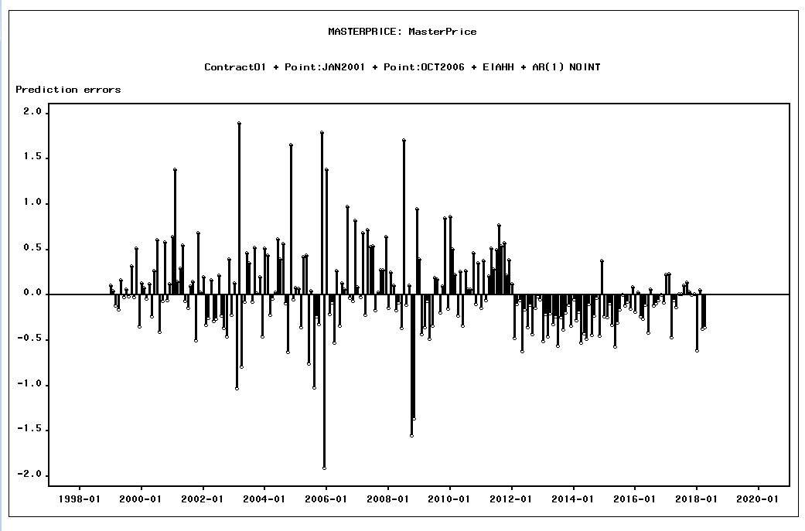

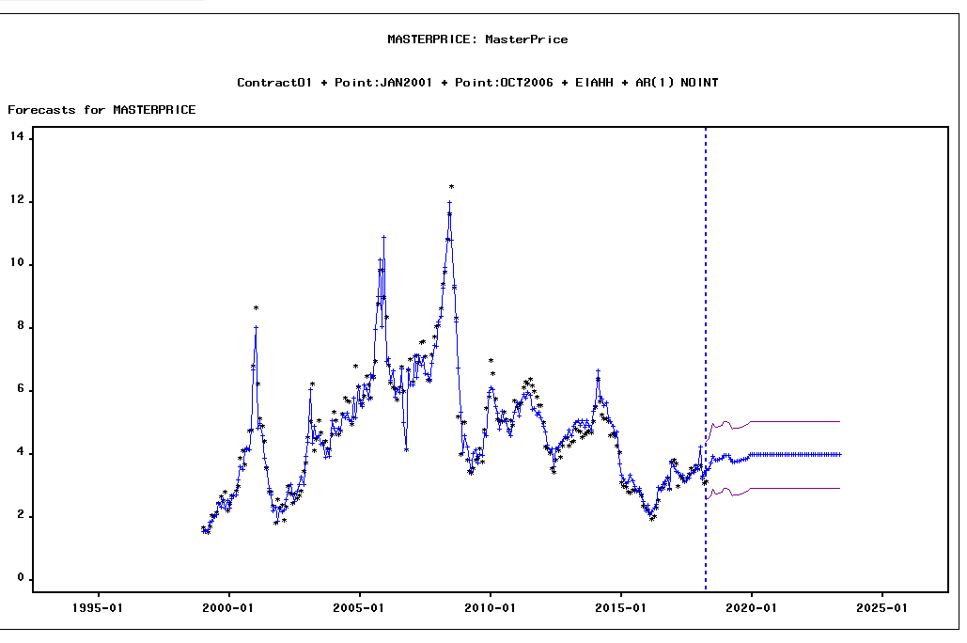

DATE | ACTUAL | PREDICT | UPPER | LOWER | ERROR | STD | NERROR | ContractO1 | _INTV2_ | _INTV3_ | EIAHH
1999-01-01 | 1.6662550231 | 1.5591410281 | 2.6182866496 | 0.49999540651 | 0.10711399507 | 0.54039034896 | 0.19821596607 | 12.486842105 | 0 | 0 | 1.900772
1999-02-01 | 1.5930757822 | 1.5446707121 | 2.4835090134 | 0.60583241074 | 0.048405070084 | 0.47900793522 | 0.101052752 | 12.021052632 | 0 | 0 | 1.820588
1999-03-01 | 1.5109573369 | 1.62918767 | 2.5680259713 | 0.69034936864 | -0.11823033307 | 0.47900793522 | -0.24682332874 | 14.682173913 | 0 | 0 | 1.842176
...

